1_ADVANCED_INS_BACK_DATE_AC
Product 302
Back Date 6 month
Installment given 4month

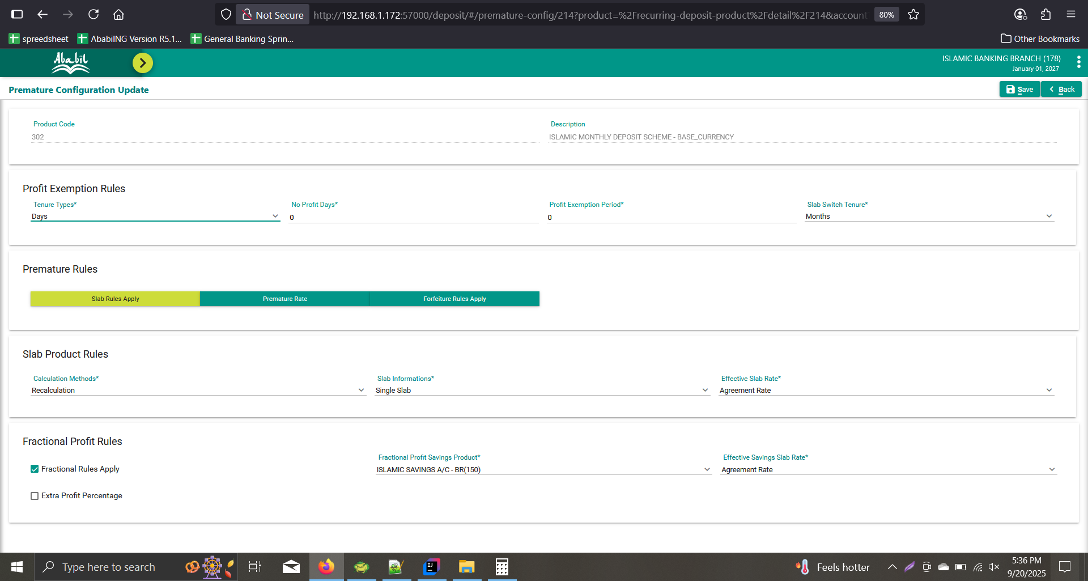
A/C | Product
1783020000008 | 302
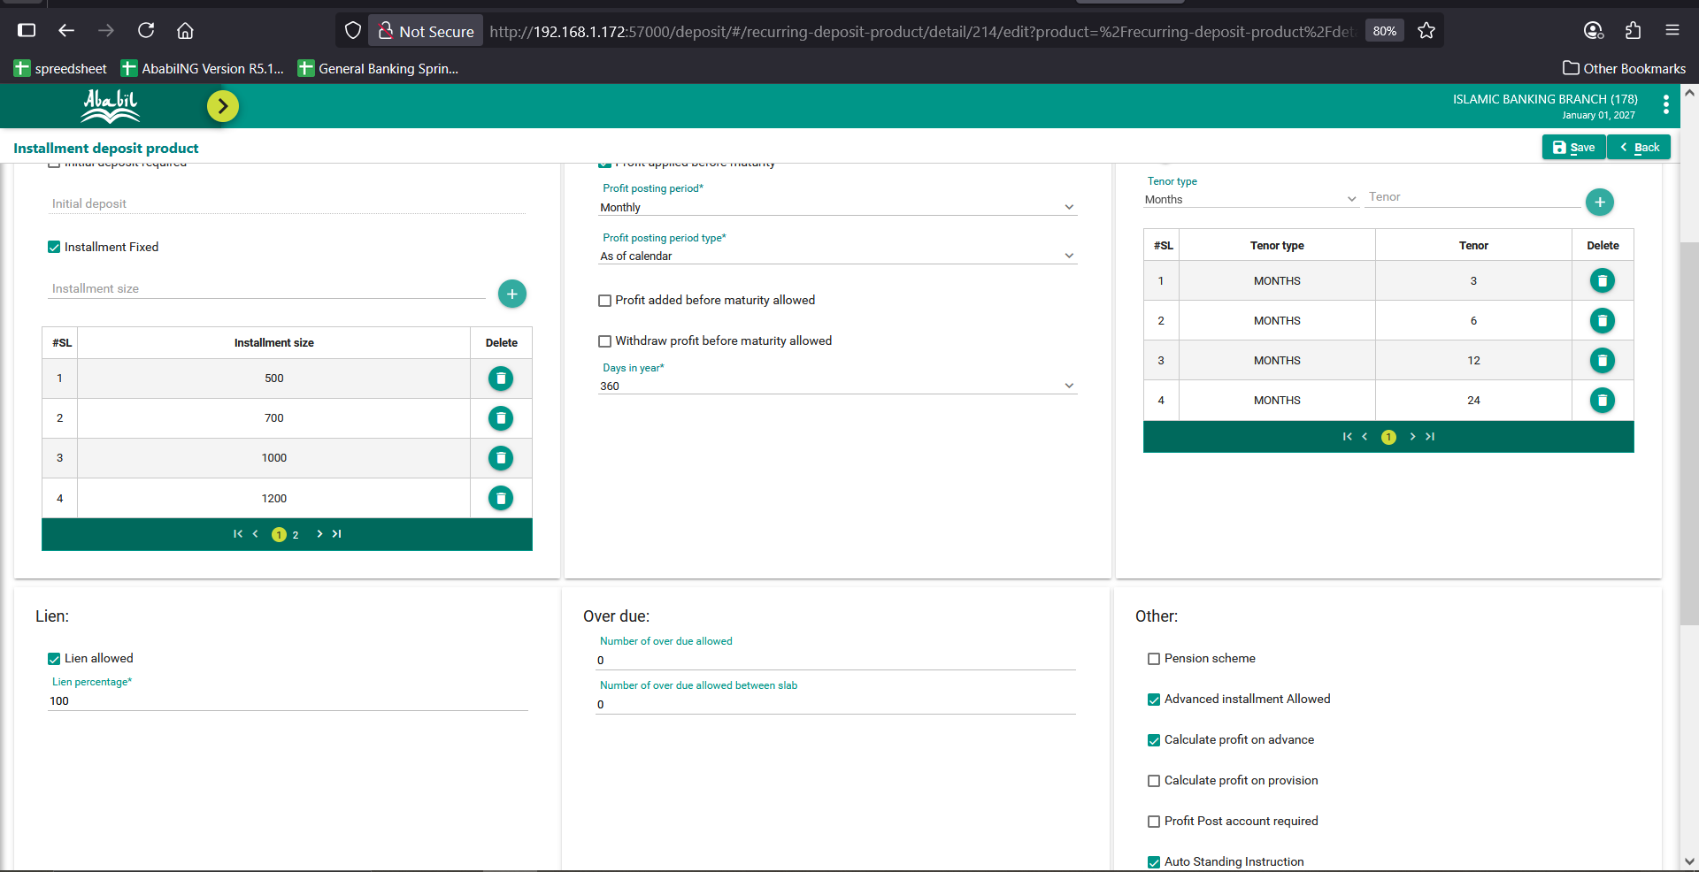

Calculation
From Date | To Date | Slab Product Code | Slab Tenor | Savings Slab | No. Of Days | Balance | Product | Excise Duty | Premature Profit Rate | Premature Profit | Tax | Posted Profit
2026-07-01 | 2026-07-31 | 302 | 3 | N | 31 | 500 | 15,500.00 | 0 | 5 | 2.15 | 0.32
2026-08-01 | 2026-08-31 | 302 | 3 | N | 31 | 1,500.00 | 46,500.00 | 0 | 5 | 6.46 | 0.97
2026-09-01 | 2026-09-30 | 302 | 3 | N | 30 | 1,500.00 | 45,000.00 | 0 | 5 | 6.25 | 0.94
2026-10-01 | 2026-10-31 | 150 | 0 | Y | 31 | 1,500.00 | 46,500.00 | 0 | 5 | 6.46 | 0.97
2026-11-01 | 2026-11-30 | 150 | 0 | Y | 30 | 1,500.00 | 45,000.00 | 0 | 5 | 6.25 | 0.94
2026-12-01 | 2026-12-31 | 150 | 0 | Y | 31 | 1,500.00 | 46,500.00 | 0 | 5 | 6.46 | 0.97
 |  |  |  |  |  |  |  |  |  | Total Profit | Total Tax
 |  |  |  |  |  |  |  |  |  | 34.03 | 5.11

Here System should provide profit for 1 jan as fractional rule is on with saving product 150 |  |  |  |  | This was fixed in tab 2_ADVANCED

Net Payable Cal |  |  |  |  |  |  |  |  |  | UI Profit | Ui Tax
 |  |  |  |  |  |  |  |  |  | 31.88 | 4.79
Profit Debit | 12,673.86
Profit Credit Before | 12,673.86
Profit Credit Now | 0

Tax Debit Before | 1,901.08
Tax Debit Now | 0
Tax Credit | 1901.08

Excise Duty | 150
Total Charge | 200
Total Vat | 30

A/C Current Balance | 160,772.78

Net Payable | 149,620.00

Actual Net Payable | 154,217.17

Deviation | 4,597.17

2_ADVANCED_INS_BACK_DATE_AC
Product 302 | Tenor
Back Date 4 month | 24 |  |  |  |  | With Calculate profit on advance On
Installment given 8 month

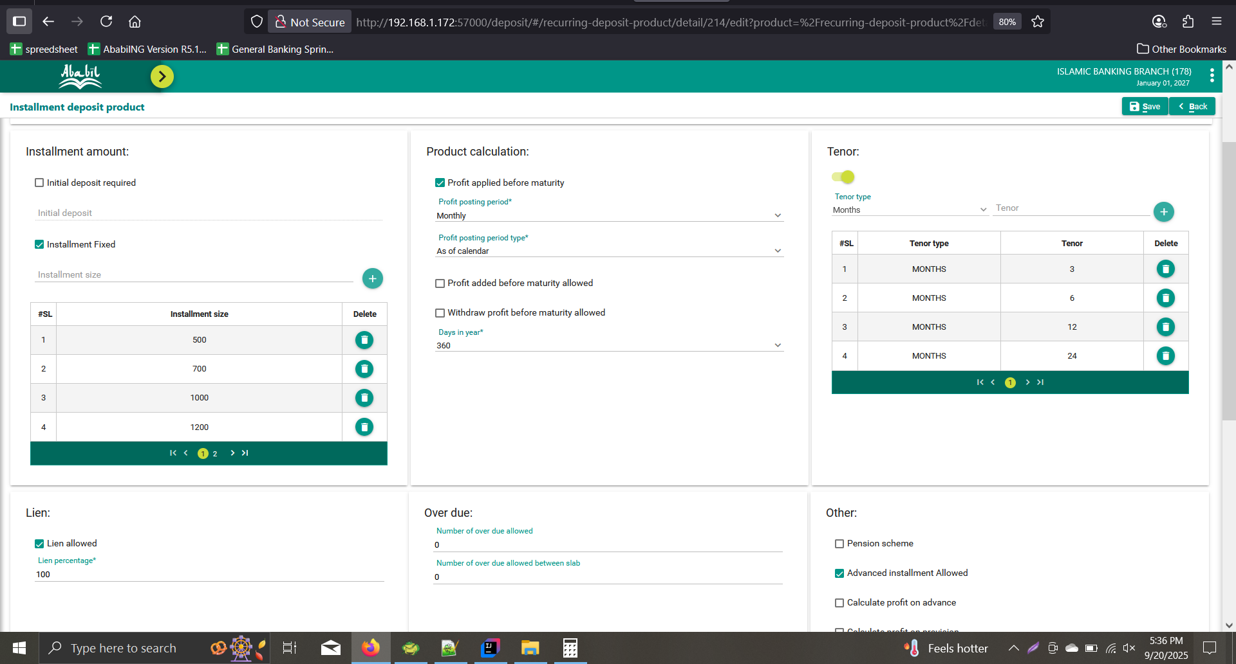
A/C | Product
1783020000009 | 302

Calculation
From Date | To Date | Slab Product Code | Slab Tenor | Savings Slab | No. Of Days | Balance | Product | Excise Duty | Premature Profit Rate | Premature Profit | Tax | Posted Profit
2026-09-01 | 2026-09-30 | 302 | 3 | N | 30 | 4,500.00 | 135,000.00 | 0 | 9 | 33.75 | 5.06
2026-10-01 | 2026-10-31 | 302 | 3 | N | 31 | 4,500.00 | 139,500.00 | 0 | 9 | 34.88 | 5.23
2026-11-01 | 2026-11-30 | 302 | 3 | N | 30 | 4,500.00 | 135,000.00 | 0 | 9 | 33.75 | 5.06
2026-12-01 | 2026-12-31 | 150 | 0 | Y | 31 | 4,500.00 | 139,500.00 | 0 | 4.13 | 16 | 2.4
2027-01-01 | 2027-01-01 | 150 | 0 | Y | 1 | 4,500.00 | 4,500.00 | 0 | 4.13 | 0.52 | 0.08
 |  |  |  |  |  |  |  |  |  | Total Profit | Total Tax
 |  |  |  |  |  |  |  |  |  | 118.9 | 17.83
 |  |  |  |  |  |  |  |  |  |  |  |  | 2026-01-09
 |  |  |  |  |  |  |  |  |  |  |  |  | 2027-01-01
 |  |  |  |  |  |  |  |  |  |  |  |  | 11.9

Net Payable Cal |  |  |  |  |  |  |  |  |  | UI Profit | Ui Tax
 |  |  |  |  |  |  |  |  |  | 118.9 | 17.83

 |  |  |  |  |  | With Calculate profit on advance Off

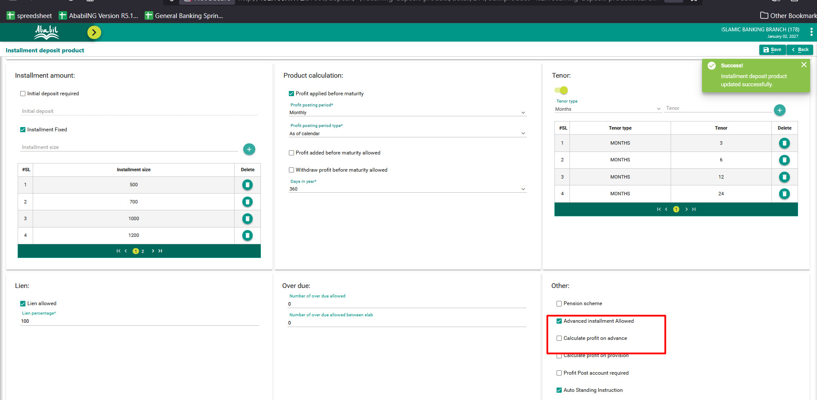

Calculation
From Date | To Date | Slab Product Code | Slab Tenor | Savings Slab | No. Of Days | Balance | Product | Excise Duty | Premature Profit Rate | Premature Profit | Tax | Posted Profit
2026-09-01 | 2026-09-30 | 302 | 3 | N | 30 | 500 | 15,000.00 | 0 | 9 | 3.75 | 0.56
2026-10-01 | 2026-10-31 | 302 | 3 | N | 31 | 1,000.00 | 31,000.00 | 0 | 9 | 7.75 | 1.16
2026-11-01 | 2026-11-30 | 302 | 3 | N | 30 | 1,500.00 | 45,000.00 | 0 | 9 | 11.25 | 1.69
2026-12-01 | 2026-12-31 | 150 | 0 | Y | 31 | 2,000.00 | 62,000.00 | 0 | 4.13 | 7.11 | 1.07
2027-01-01 | 2027-01-01 | 150 | 0 | Y | 1 | 2,500.00 | 2,500.00 | 0 | 4.13 | 0.29 | 0.04
 |  |  |  |  |  |  |  |  |  | Total Profit | Total Tax
 |  |  |  |  |  |  |  |  |  | 30.15 | 4.52

 |  |  |  |  |  |  |  |  |  | UI total Profit | Ui total Tax
 |  |  |  |  |  |  |  |  |  | 30.15 | 4.52

Net Payable Cal

Profit Debit | 0
Profit Credit Before | 0.00
Profit Credit Now | 30.15

Tax Debit Before | 0.00
Tax Debit Now | 4.52
Tax Credit | 0

Excise Duty | 0
Total Charge | 200
Total Vat | 30

A/C Current Balance | 4,500.00

Net Payable | 4,295.63

Actual Net Payable | 4,295.63

Deviation | 0.00

1_RECAL_SINGLE_CUR
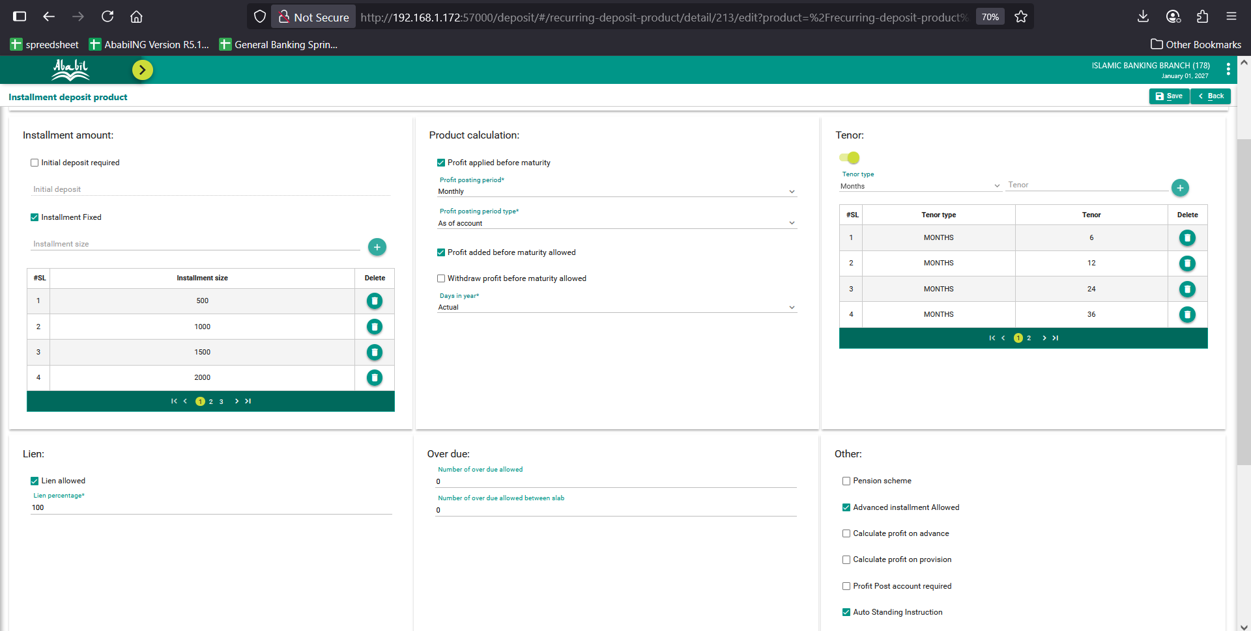
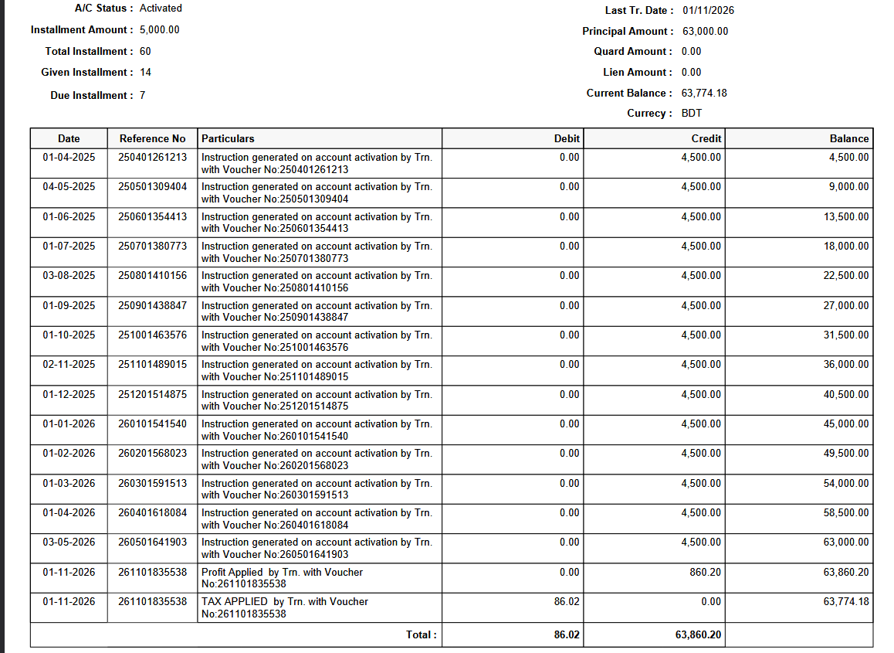
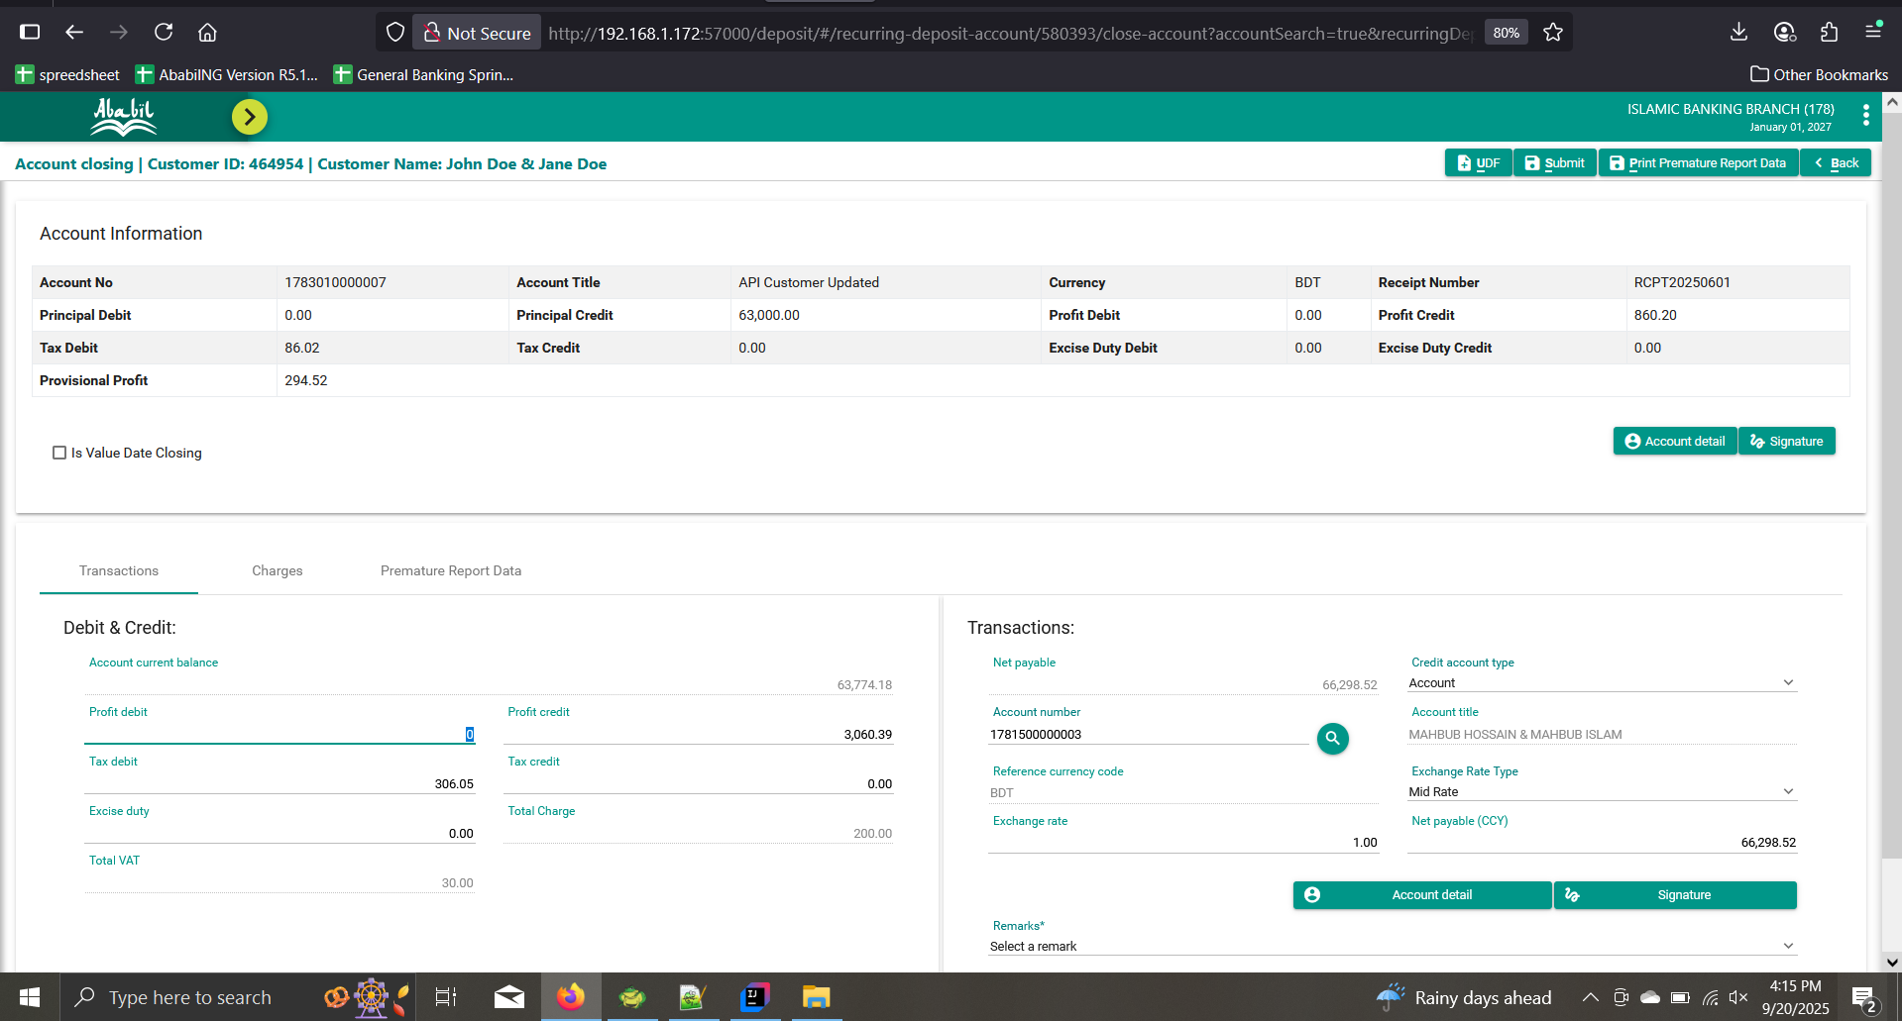
Product Calculation |  |  |  |  | Premature Config
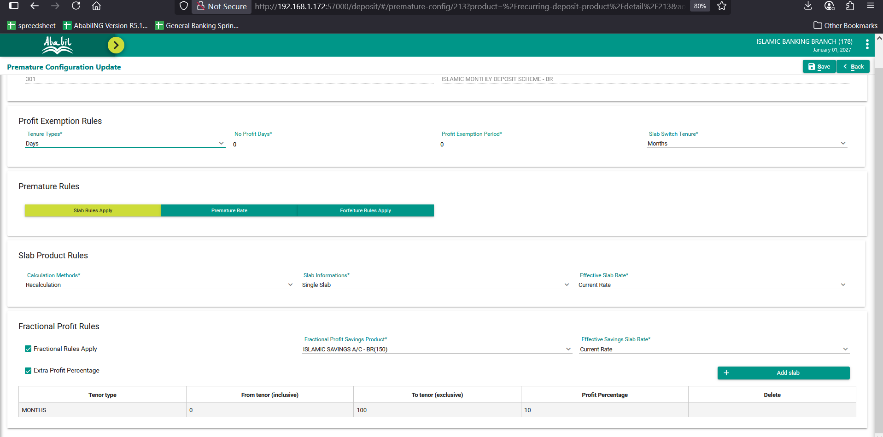

Product | A/C
301 | 1783010000007 | With Compound Profit

Slab Info | Slab Rate
Single | Current
 |  |  |  |  |  |  |  |  |  |  |  |  | 0.1

Calculation
From Date | To Date | Slab Product Code | Slab Tenor | Savings Slab | No. Of Days | Balance | Compound Balance | Compound Product | DB Compound Product | Excise Duty | Premature Profit Rate | Premature Profit | Tax | Posted Profit
2025-04-01 | 2025-04-30 | 301 | 12 | N | 30 | 4,500.00 | 4,500.00 | 135000 | 135000 | 0 | 5 | 18.49 | 1.85
2025-05-01 | 2025-05-31 | 301 | 12 | N | 31 | 9,000.00 | 9,016.64 | 279515.84 | 279515.84 | 0 | 5 | 38.29 | 3.83
2025-06-01 | 2025-06-30 | 301 | 12 | N | 30 | 13,500.00 | 13,551.10 | 406533.14 | 406533 | 0 | 5 | 55.69 | 5.57
2025-07-01 | 2025-07-31 | 301 | 12 | N | 31 | 18,000.00 | 18,101.23 | 561137.98 | 561137.82 | 0 | 5 | 76.87 | 7.69
2025-08-01 | 2025-08-31 | 301 | 12 | N | 31 | 22,500.00 | 22,670.41 | 702782.6 | 702782.4 | 0 | 5 | 96.27 | 9.63
2025-09-01 | 2025-09-30 | 301 | 12 | N | 30 | 27,000.00 | 27,257.05 | 817711.53 | 817711.2 | 0 | 5 | 112.02 | 11.20
2025-10-01 | 2025-10-31 | 301 | 12 | N | 31 | 31,500.00 | 31,857.86 | 987593.81 | 987593.66 | 0 | 5 | 135.29 | 13.53
2025-11-01 | 2025-11-30 | 301 | 12 | N | 30 | 36,000.00 | 36,479.62 | 1094388.69 | 1094388.6 | 0 | 5 | 149.92 | 14.99
2025-12-01 | 2025-12-31 | 301 | 12 | N | 31 | 40,500.00 | 41,114.55 | 1274550.97 | 1274551.05 | 0 | 5 | 174.60 | 17.46
2026-01-01 | 2026-01-31 | 301 | 12 | N | 31 | 45,000.00 | 45,771.68 | 1418922.2 | 1418922.39 | 0 | 5 | 194.37 | 19.44
2026-02-01 | 2026-02-28 | 301 | 12 | N | 28 | 49,500.00 | 50,446.62 | 1412505.35 | 1412505.36 | 0 | 5 | 193.49 | 19.35
2026-03-01 | 2026-03-31 | 301 | 12 | N | 31 | 54,000.00 | 55,120.76 | 1708743.69 | 1708743.56 | 0 | 5 | 234.07 | 23.41
2026-04-01 | 2026-04-30 | 150 | 0 | Y | 30 | 58,500.00 | 59,831.43 | 1794942.93 | 1794942.6 | 0 | 5 | 245.88 | 24.59
2026-05-01 | 2026-05-31 | 150 | 0 | Y | 31 | 58,500.00 | 64,552.73 | 2001134.49 | 2001134.01 | 0 | 5 | 274.13 | 27.41
Client did not pay installment for below entry
2026-06-01 | 2026-06-30 | 150 | 0 | Y | 30 | 63,000.00 | 64,799.44 | 1943983.22 | 1943982.9 | 0 | 5 | 266.30 | 26.63
2026-07-01 | 2026-07-31 | 150 | 0 | Y | 31 | 67,500.00 | 65,039.11 | 2016212.4 | 2016212.1 | 0 | 5 | 276.19 | 27.62
2026-08-01 | 2026-08-31 | 150 | 0 | Y | 31 | 72,000.00 | 65,287.68 | 2023918.2 | 2023917.77 | 0 | 5 | 277.25 | 27.72
2026-09-01 | 2026-09-30 | 150 | 0 | Y | 30 | 76,500.00 | 65,537.21 | 1966116.24 | 1966115.7 | 0 | 5 | 269.33 | 26.93
2026-10-01 | 2026-10-31 | 150 | 0 | Y | 31 | 81,000.00 | 65,779.61 | 2039167.79 | 2039167.29 | 0 | 5 | 279.34 | 27.93
2026-11-01 | 2026-11-30 | 150 | 0 | Y | 30 | 85,500.00 | 66,031.01 | 1980930.31 | 1980930 | 0 | 5 | 271.36 | 27.14
2026-12-01 | 2026-12-31 | 150 | 0 | Y | 31 | 90,000.00 | 66,275.23 | 2054532.27 | 2054531.82 | 0 | 5 | 281.44 | 28.14
2027-01-01 | 2027-01-01 | 150 | 0 | Y | 1 | 94,500.00 | 66,528.53 | 66528.53 | 66528.52 |  | 5 | 9.11 | 0.91

 |  |  |  |  |  |  |  |  |  |  |  | Total Profit | Total Tax
 |  |  |  |  |  |  |  |  |  |  |  | 3929.71 | 392.97

Net Payable Cal |  |  |  |  |  |  |  |  |  |  |  | UI Profit | Ui Tax
 |  |  |  |  |  |  |  |  |  |  |  | 3,929.70 | 392.98
Profit Debit | 0
Profit Credit Before | 860.20
Profit Credit Now | 3069.5
 |  |  |  |  |  |  |  |  |  |  |  |  |  |  | Before Fix
Tax Debit Before | 86.02
Tax Debit Now | 306.96
Tax Credit | 0

Excise Duty | 0
Total Charge | 200
Total Vat | 30

A/C Current Balance | 63,774.18

Net Payable | 66,306.72

Actual Net Payable | 66,306.72

Deviation | 0.00 |  |  |  |  | After Fix
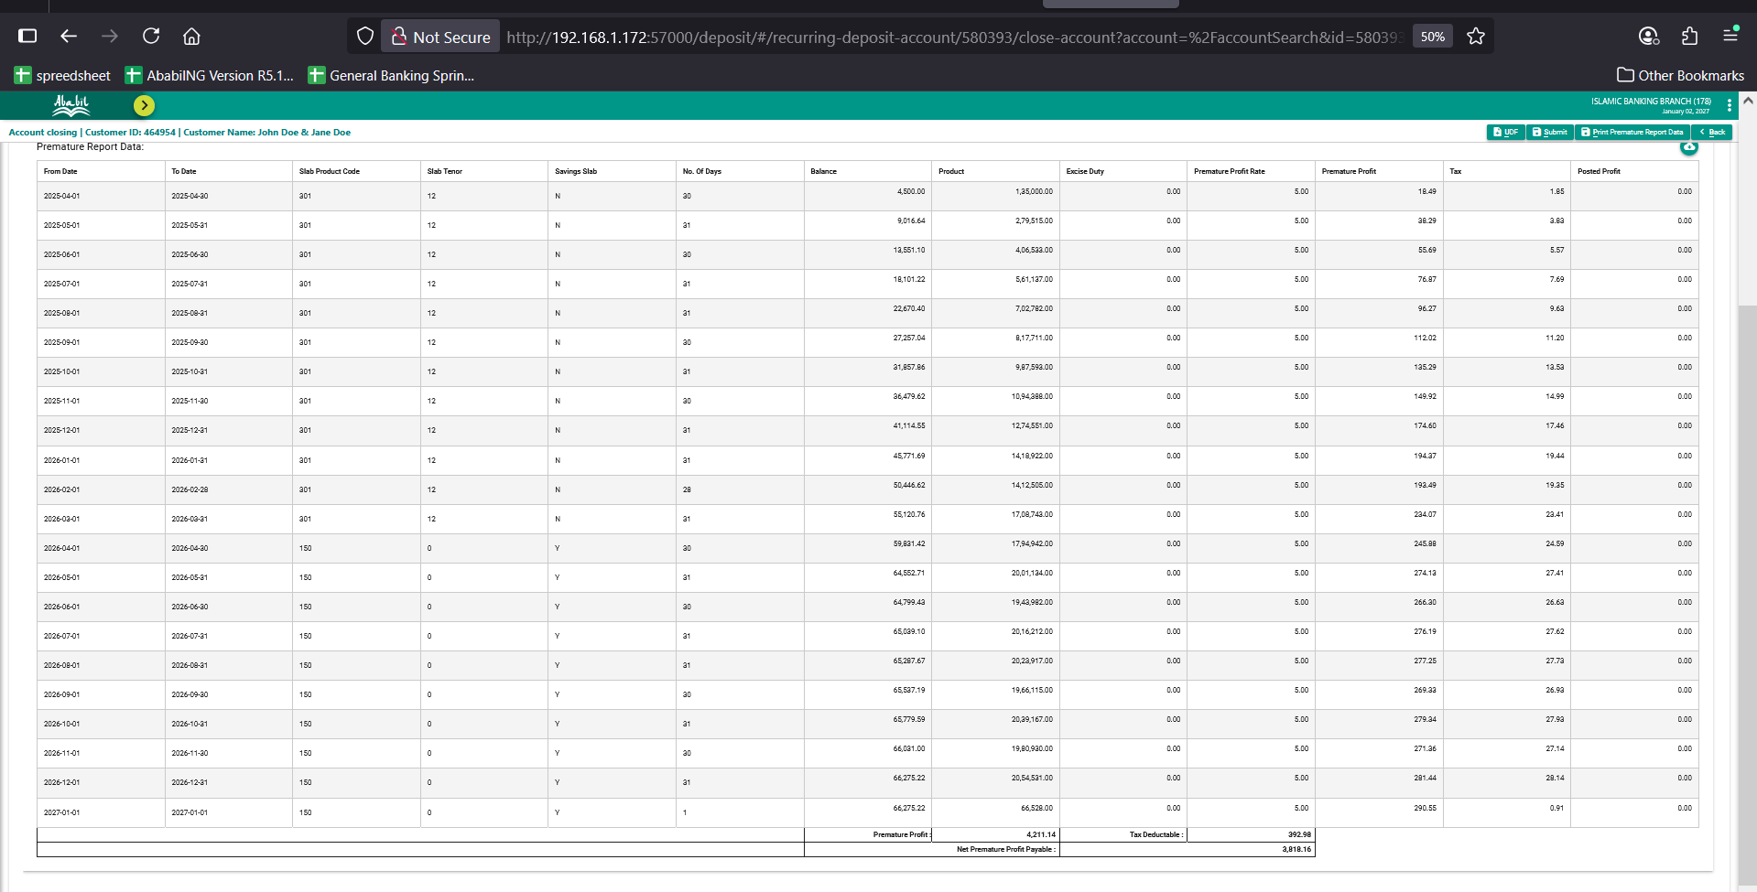

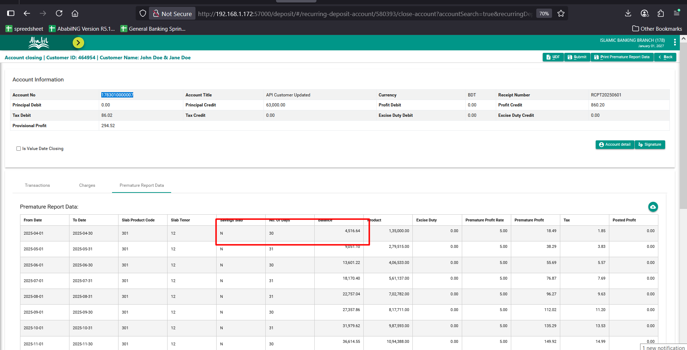

A/C Statement

5_RECAL_MULTIPLE_CUR
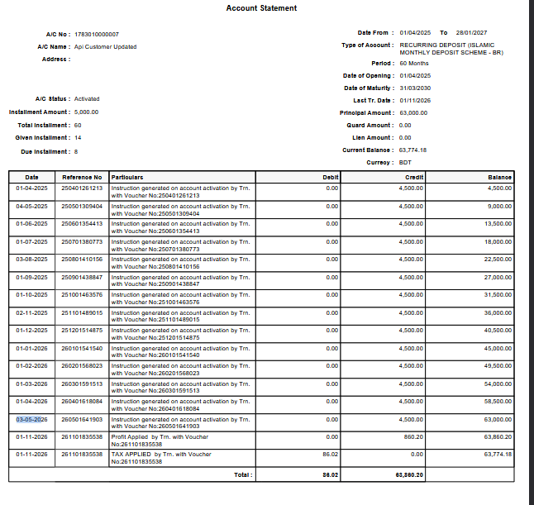
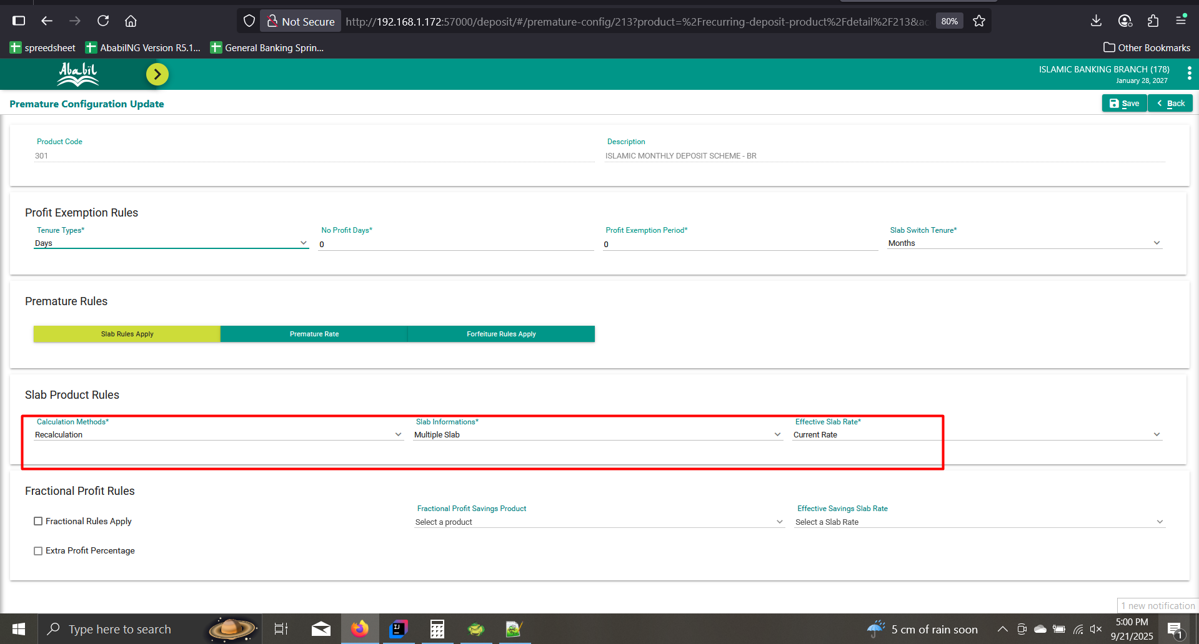
Product Calculation |  |  |  |  | Premature Config

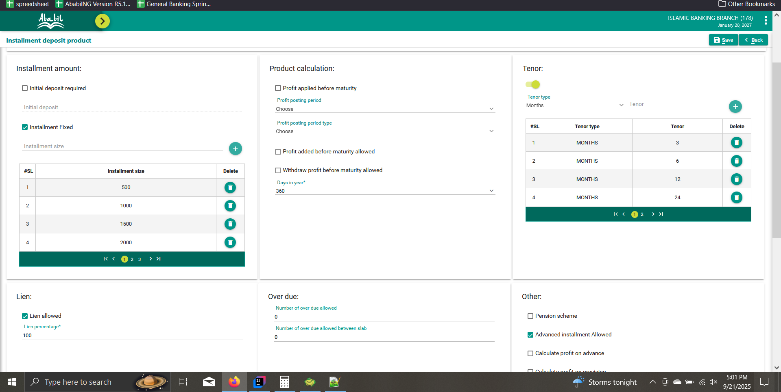

Product | A/C
301 | 1783010000007

Slab Info | Slab Rate
Multiple | Current
 |  |  |  |  |  |  |  |  |  |  |  |  | #REF!

Calculation
slabProdCode | slabTenor | savingsSlab | fromDate | toDate | product | noOfDays | balance | exciseDuty | prematureProfitRate | prematureProfit | tax
1900-10-27 | 1900-01-12 | N | 2025-04-01 | 2025-04-30 | 135,000.00 | 30.00 | 4,500.00 | 0 | 5 | 18.75 | 2.8125
1900-10-27 | 1900-01-12 | N | 2025-05-01 | 2025-05-31 | 279,000.00 | 31.00 | 9,000.00 | 0 | 5 | 38.75 | 5.8125
1900-10-27 | 1900-01-12 | N | 2025-06-01 | 2025-06-30 | 405,000.00 | 30.00 | 13,500.00 | 0 | 5 | 56.25 | 8.4375
1900-10-27 | 1900-01-12 | N | 2025-07-01 | 2025-07-31 | 558,000.00 | 31.00 | 18,000.00 | 0 | 5 | 77.5 | 11.625
1900-10-27 | 1900-01-12 | N | 2025-08-01 | 2025-08-31 | 697,500.00 | 31.00 | 22,500.00 | 0 | 5 | 96.875 | 14.53125
1900-10-27 | 1900-01-12 | N | 2025-09-01 | 2025-09-30 | 810,000.00 | 30.00 | 27,000.00 | 0 | 5 | 112.5 | 16.875
1900-10-27 | 1900-01-12 | N | 2025-10-01 | 2025-10-31 | 976,500.00 | 31.00 | 31,500.00 | 0 | 5 | 135.625 | 20.34375
1900-10-27 | 1900-01-12 | N | 2025-11-01 | 2025-11-30 | 1,080,000.00 | 30.00 | 36,000.00 | 0 | 5 | 150 | 22.5
1900-10-27 | 1900-01-12 | N | 2025-12-01 | 2025-12-31 | 1,255,500.00 | 31.00 | 40,500.00 | 0 | 5 | 174.375 | 26.15625
1900-10-27 | 1900-01-12 | N | 2026-01-01 | 2026-01-31 | 1,395,000.00 | 31.00 | 45,000.00 | 0 | 5 | 193.75 | 29.0625
1900-10-27 | 1900-01-12 | N | 2026-02-01 | 2026-02-28 | 1,386,000.00 | 28.00 | 49,500.00 | 0 | 5 | 192.5 | 28.875
1900-10-27 | 1900-01-12 | N | 2026-03-01 | 2026-03-31 | 1,674,000.00 | 31.00 | 54,000.00 | 0 | 5 | 232.5 | 34.875
1900-10-27 | 1900-01-06 | N | 2026-04-01 | 2026-04-30 | 1,755,000.00 | 30.00 | 58,500.00 | 0 | 5 | 243.75 | 36.5625
1900-10-27 | 1900-01-06 | N | 2026-05-01 | 2026-05-31 | 1,953,000.00 | 31.00 | 63,000.00 | 0 | 5 | 271.25 | 40.6875
1900-10-27 | 1900-01-06 | N | 2026-06-01 | 2026-06-30 | 1,890,000.00 | 30.00 | 63,000.00 | 0 | 5 | 262.5 | 39.375
1900-10-27 | 1900-01-06 | N | 2026-07-01 | 2026-07-31 | 1,953,000.00 | 31.00 | 63,000.00 | 0 | 5 | 271.25 | 40.6875
1900-10-27 | 1900-01-06 | N | 2026-08-01 | 2026-08-31 | 1,953,000.00 | 31.00 | 63,000.00 | 0 | 5 | 271.25 | 40.6875
1900-10-27 | 1900-01-06 | N | 2026-09-01 | 2026-09-30 | 1,890,000.00 | 30.00 | 63,000.00 | 0 | 5 | 262.5 | 39.375
1900-10-27 | 1900-01-03 | N | 2026-10-01 | 2026-10-31 | 1,953,000.00 | 31.00 | 63,000.00 | 0 | 5 | 271.25 | 40.6875
1900-10-27 | 1900-01-03 | N | 2026-11-01 | 2026-11-30 | 1,890,000.00 | 30.00 | 63,000.00 | 0 | 5 | 262.5 | 39.375
1900-10-27 | 1900-01-03 | N | 2026-12-01 | 2026-12-31 | 1,953,000.00 | 31.00 | 63,000.00 | 0 | 5 | 271.25 | 40.6875
 |  |  |  |  |  |  |  |  |  | total profit
 |  |  |  |  |  |  |  |  |  | 3866.875

Net Payable Cal |  |  |  |  |  |  |  |  |  |  |  | UI Profit | Ui Tax
 |  |  |  |  |  |  |  |  |  |  |  | 3,929.70 | 392.98
Profit Debit | 0
Profit Credit Before | 860.20
Profit Credit Now | 3006.69
 |  |  |  |  |  |  |  |  |  |  |  |  |  | Before Fix
Tax Debit Before | 86.02
Tax Debit Now | 306.96
Tax Credit | 0

Excise Duty | 0
Total Charge | 200
Total Vat | 30

A/C Current Balance | 63,774.18

Net Payable | 66250.15

Actual Net Payable | 66,250.15

Deviation | 0.00 |  |  |  |  | After Fix

Report
slabProdCode | slabTenor | savingsSlab | fromDate | toDate | product | noOfDays | balance | exciseDuty | prematureProfitRate | prematureProfit | tax
301 | 12 | N | 2025-04-01 | 2025-04-30 | 135000 | 30 | 4500 | 0 | 5 | 18.75 | 1.88
301 | 12 | N | 2025-05-01 | 2025-05-31 | 279000 | 31 | 9000 | 0 | 5 | 38.75 | 3.88
301 | 12 | N | 2025-06-01 | 2025-06-30 | 405000 | 30 | 13500 | 0 | 5 | 56.25 | 5.63
301 | 12 | N | 2025-07-01 | 2025-07-31 | 558000 | 31 | 18000 | 0 | 5 | 77.5 | 7.75
301 | 12 | N | 2025-08-01 | 2025-08-31 | 697500 | 31 | 22500 | 0 | 5 | 96.88 | 9.69
301 | 12 | N | 2025-09-01 | 2025-09-30 | 810000 | 30 | 27000 | 0 | 5 | 112.5 | 11.25
301 | 12 | N | 2025-10-01 | 2025-10-31 | 976500 | 31 | 31500 | 0 | 5 | 135.63 | 13.56
301 | 12 | N | 2025-11-01 | 2025-11-30 | 1080000 | 30 | 36000 | 0 | 5 | 150 | 15
301 | 12 | N | 2025-12-01 | 2025-12-31 | 1255500 | 31 | 40500 | 0 | 5 | 174.38 | 17.44
301 | 12 | N | 2026-01-01 | 2026-01-31 | 1395000 | 31 | 45000 | 0 | 5 | 193.75 | 19.38
301 | 12 | N | 2026-02-01 | 2026-02-28 | 1386000 | 28 | 49500 | 0 | 5 | 192.5 | 19.25
301 | 12 | N | 2026-03-01 | 2026-03-31 | 1674000 | 31 | 54000 | 0 | 5 | 232.5 | 23.25
301 | 6 | N | 2026-04-01 | 2026-04-30 | 1755000 | 30 | 58500 | 0 | 5 | 243.75 | 24.38
301 | 6 | N | 2026-05-01 | 2026-05-31 | 1953000 | 31 | 63000 | 0 | 5 | 271.25 | 27.13
301 | 6 | N | 2026-06-01 | 2026-06-30 | 1890000 | 30 | 63000 | 0 | 5 | 262.5 | 26.25
301 | 6 | N | 2026-07-01 | 2026-07-31 | 1953000 | 31 | 63000 | 0 | 5 | 271.25 | 27.13
301 | 6 | N | 2026-08-01 | 2026-08-31 | 1953000 | 31 | 63000 | 0 | 5 | 271.25 | 27.13
301 | 6 | N | 2026-09-01 | 2026-09-30 | 1890000 | 30 | 63000 | 0 | 5 | 262.5 | 26.25
301 | 3 | N | 2026-10-01 | 2026-10-31 | 1953000 | 31 | 63000 | 0 | 5 | 271.25 | 27.13
301 | 3 | N | 2026-11-01 | 2026-11-30 | 1890000 | 30 | 63000 | 0 | 5 | 262.5 | 26.25
301 | 3 | N | 2026-12-01 | 2026-12-31 | 1953000 | 31 | 63000 | 0 | 5 | 271.25 | 27.13

A/C Statement

1_RECAL_NO_SLAB_1
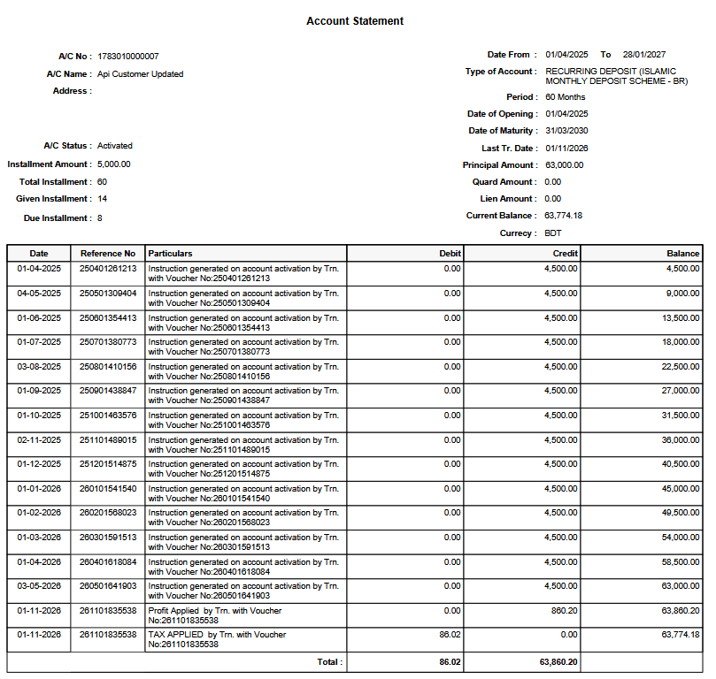
 |  |  |  |  | Premature Config
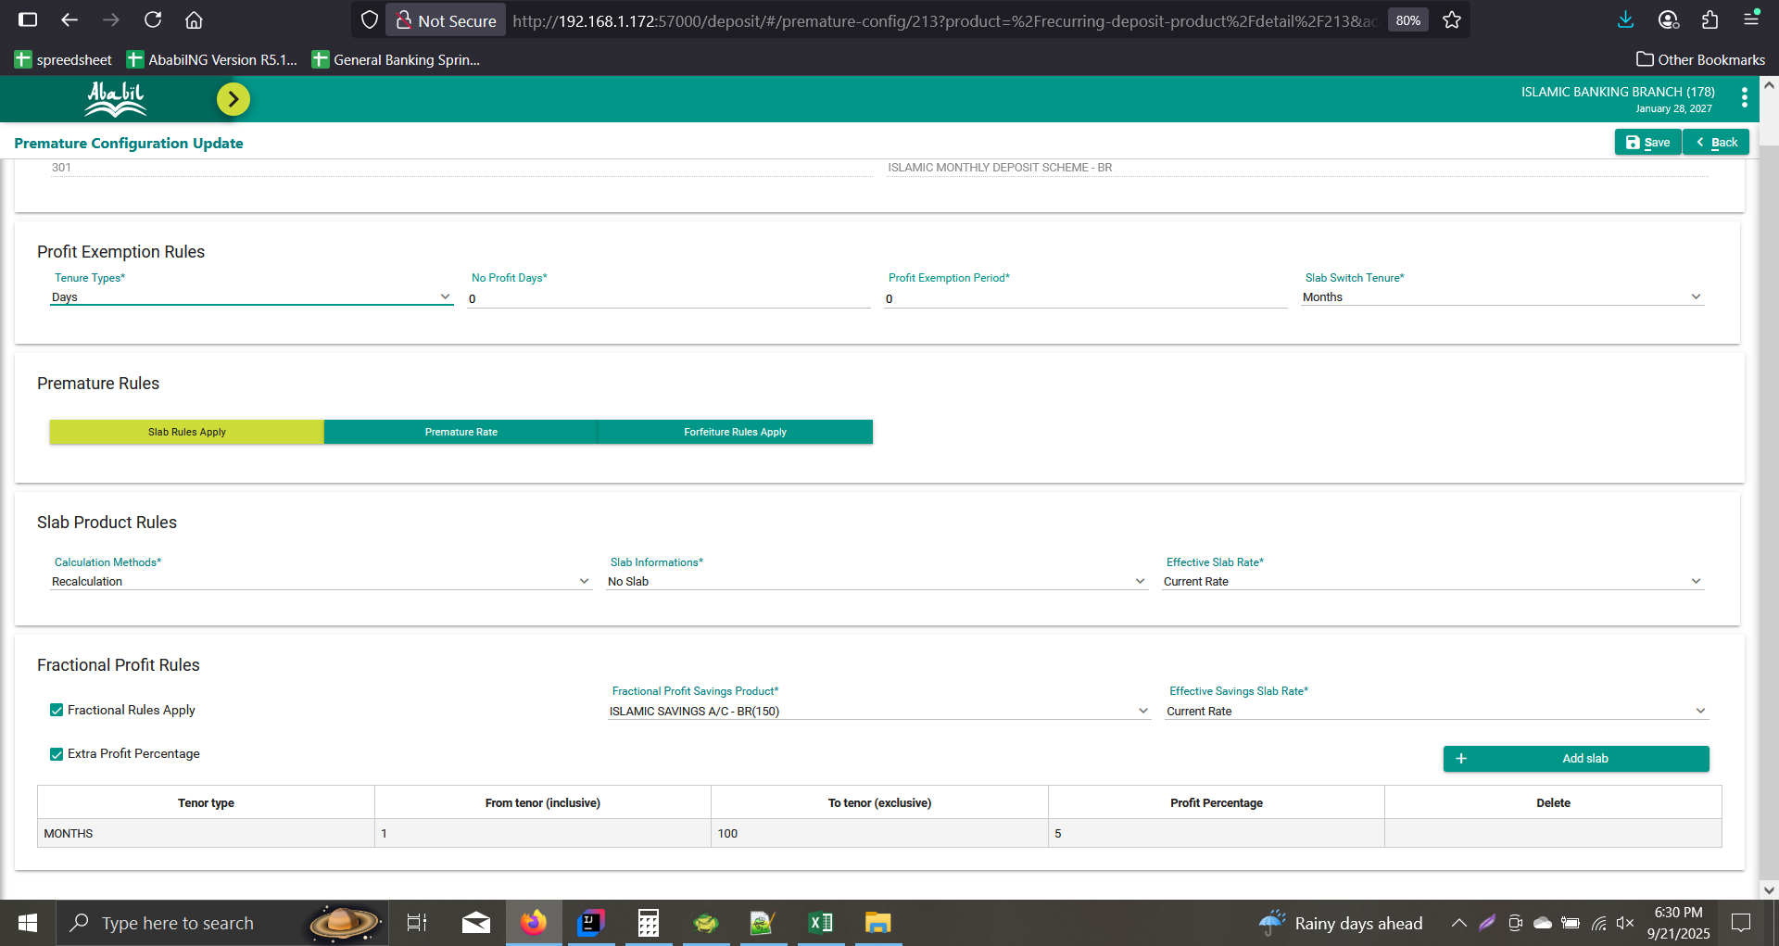
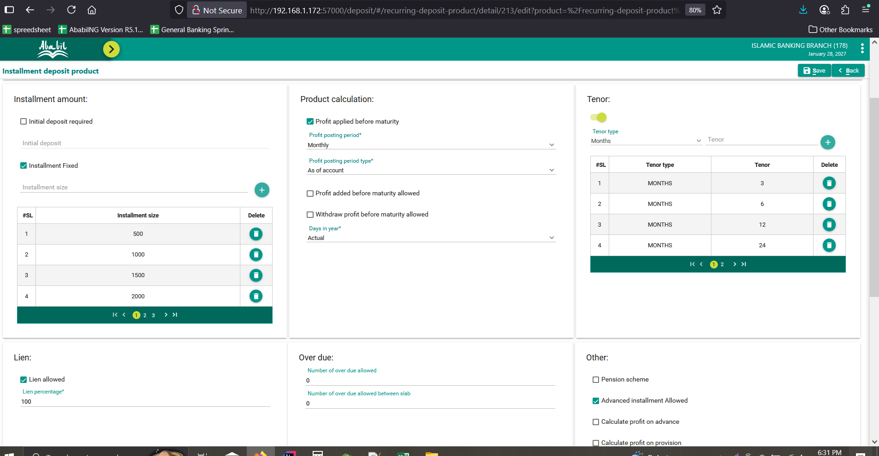

Product | A/C
301 | 1783010000007 | Without Compound Profit

Slab Info | Slab Rate
No slab | Null
 |  |  |  |  |  |  |  |  |  |  |  | #DIV/0!

Calculation
slabProdCode | slabTenor | savingsSlab | fromDate | toDate | product | noOfDays | balance | exciseDuty | prematureProfitRate | prematureProfit | tax
150 | 0 | Y | 2025-04-01 | 2025-04-30 | 135000 | 30 | 4500 | 0 | 5 | 36.99 | 3.699
150 | 0 | Y | 2025-05-01 | 2025-05-31 | 279000 | 31 | 9000 | 0 | 5 | 76.44 | 7.644
150 | 0 | Y | 2025-06-01 | 2025-06-30 | 405000 | 30 | 13500 | 0 | 5 | 110.96 | 11.096
150 | 0 | Y | 2025-07-01 | 2025-07-31 | 558000 | 31 | 18000 | 0 | 5 | 152.88 | 15.288
150 | 0 | Y | 2025-08-01 | 2025-08-31 | 697500 | 31 | 22500 | 0 | 5 | 191.1 | 19.11
150 | 0 | Y | 2025-09-01 | 2025-09-30 | 810000 | 30 | 27000 | 0 | 5 | 221.92 | 22.192
150 | 0 | Y | 2025-10-01 | 2025-10-31 | 976500 | 31 | 31500 | 0 | 5 | 267.53 | 26.753
150 | 0 | Y | 2025-11-01 | 2025-11-30 | 1080000 | 30 | 36000 | 0 | 5 | 295.89 | 29.589
150 | 0 | Y | 2025-12-01 | 2025-12-31 | 1255500 | 31 | 40500 | 0 | 5 | 343.97 | 34.397
150 | 0 | Y | 2026-01-01 | 2026-01-31 | 1395000 | 31 | 45000 | 0 | 5 | 382.19 | 38.219
150 | 0 | Y | 2026-02-01 | 2026-02-28 | 1386000 | 28 | 49500 | 0 | 5 | 379.73 | 37.973
150 | 0 | Y | 2026-03-01 | 2026-03-31 | 1674000 | 31 | 54000 | 0 | 5 | 458.63 | 45.863
150 | 0 | Y | 2026-04-01 | 2026-04-30 | 1755000 | 30 | 58500 | 0 | 5 | 480.82 | 48.082
150 | 0 | Y | 2026-05-01 | 2026-05-31 | 1953000 | 31 | 63000 | 0 | 5 | 535.07 | 53.507
150 | 0 | Y | 2026-06-01 | 2026-06-30 | 1890000 | 30 | 63000 | 0 | 5 | 517.81 | 51.781
150 | 0 | Y | 2026-07-01 | 2026-07-31 | 1953000 | 31 | 63000 | 0 | 5 | 535.07 | 53.507
150 | 0 | Y | 2026-08-01 | 2026-08-31 | 1953000 | 31 | 63000 | 0 | 5 | 535.07 | 53.507
150 | 0 | Y | 2026-09-01 | 2026-09-30 | 1890000 | 30 | 63000 | 0 | 5 | 517.81 | 51.781
150 | 0 | Y | 2026-10-01 | 2026-10-31 | 1953000 | 31 | 63000 | 0 | 5 | 535.07 | 53.507
150 | 0 | Y | 2026-11-01 | 2026-11-30 | 1890000 | 30 | 63000 | 0 | 5 | 517.81 | 51.781
150 | 0 | Y | 2026-12-01 | 2026-12-31 | 1953000 | 31 | 63000 | 0 | 5 | 535.07 | 53.507
150 | 0 | Y | 2027-01-01 | 2027-01-27 | 1701000 | 27 | 63000 | 0 | 5 | 466.03 | 46.603

 |  |  |  |  |  |  |  |  |  | Total Profit | Total Tax
 |  |  |  |  |  |  |  |  |  | 8093.86 | 809.39

 |  |  |  |  |  |  |  |  |  | UI Profit | Ui Tax
Net Payable Cal |  |  |  |  |  |  |  |  |  | 8,093.86 | 809.39

Profit Debit | 0
Profit Credit Before | 860.20
Profit Credit Now | 3069.5
 |  |  |  |  |  |  |  |  |  |  |  |  | Before Fix
Tax Debit Before | 86.02
Tax Debit Now | 306.96
Tax Credit | 0

Excise Duty | 0
Total Charge | 200
Total Vat | 30

A/C Current Balance | 63,774.18

Net Payable | 66,306.72

Actual Net Payable | 66,306.72

Deviation | 0.00 |  |  |  |  | After Fix

Premature Report
slabProdCode | slabTenor | savingsSlab | fromDate | toDate | product | noOfDays | balance | exciseDuty | prematureProfitRate | prematureProfit | tax
150 | 0 | Y | 2025-04-01 | 2025-04-30 | 135000 | 30 | 4500 | 0 | 5 | 18.49 | 1.85
150 | 0 | Y | 2025-05-01 | 2025-05-31 | 279000 | 31 | 9000 | 0 | 5 | 38.22 | 3.82
150 | 0 | Y | 2025-06-01 | 2025-06-30 | 405000 | 30 | 13500 | 0 | 5 | 55.48 | 5.55
150 | 0 | Y | 2025-07-01 | 2025-07-31 | 558000 | 31 | 18000 | 0 | 5 | 76.44 | 7.64
150 | 0 | Y | 2025-08-01 | 2025-08-31 | 697500 | 31 | 22500 | 0 | 5 | 95.55 | 9.56
150 | 0 | Y | 2025-09-01 | 2025-09-30 | 810000 | 30 | 27000 | 0 | 5 | 110.96 | 11.1
150 | 0 | Y | 2025-10-01 | 2025-10-31 | 976500 | 31 | 31500 | 0 | 5 | 133.77 | 13.38
150 | 0 | Y | 2025-11-01 | 2025-11-30 | 1080000 | 30 | 36000 | 0 | 5 | 147.95 | 14.8
150 | 0 | Y | 2025-12-01 | 2025-12-31 | 1255500 | 31 | 40500 | 0 | 5 | 171.99 | 17.2
150 | 0 | Y | 2026-01-01 | 2026-01-31 | 1395000 | 31 | 45000 | 0 | 5 | 191.1 | 19.11
150 | 0 | Y | 2026-02-01 | 2026-02-28 | 1386000 | 28 | 49500 | 0 | 5 | 189.86 | 18.99
150 | 0 | Y | 2026-03-01 | 2026-03-31 | 1674000 | 31 | 54000 | 0 | 5 | 229.32 | 22.93
150 | 0 | Y | 2026-04-01 | 2026-04-30 | 1755000 | 30 | 58500 | 0 | 5 | 240.41 | 24.04
150 | 0 | Y | 2026-05-01 | 2026-05-31 | 1953000 | 31 | 63000 | 0 | 5 | 267.53 | 26.75
150 | 0 | Y | 2026-06-01 | 2026-06-30 | 1890000 | 30 | 63000 | 0 | 5 | 258.9 | 25.89
150 | 0 | Y | 2026-07-01 | 2026-07-31 | 1953000 | 31 | 63000 | 0 | 5 | 267.53 | 26.75
150 | 0 | Y | 2026-08-01 | 2026-08-31 | 1953000 | 31 | 63000 | 0 | 5 | 267.53 | 26.75
150 | 0 | Y | 2026-09-01 | 2026-09-30 | 1890000 | 30 | 63000 | 0 | 5 | 258.9 | 25.89
150 | 0 | Y | 2026-10-01 | 2026-10-31 | 1953000 | 31 | 63000 | 0 | 5 | 267.53 | 26.75
150 | 0 | Y | 2026-11-01 | 2026-11-30 | 1890000 | 30 | 63000 | 0 | 5 | 258.9 | 25.89
150 | 0 | Y | 2026-12-01 | 2026-12-31 | 1953000 | 31 | 63000 | 0 | 5 | 267.53 | 26.75
150 | 0 | Y | 2027-01-01 | 2027-01-27 | 1701000 | 27 | 63000 | 0 | 5 | 233.01 | 23.3

A/C Statement

2_RECAL_SINGLE_AGRE
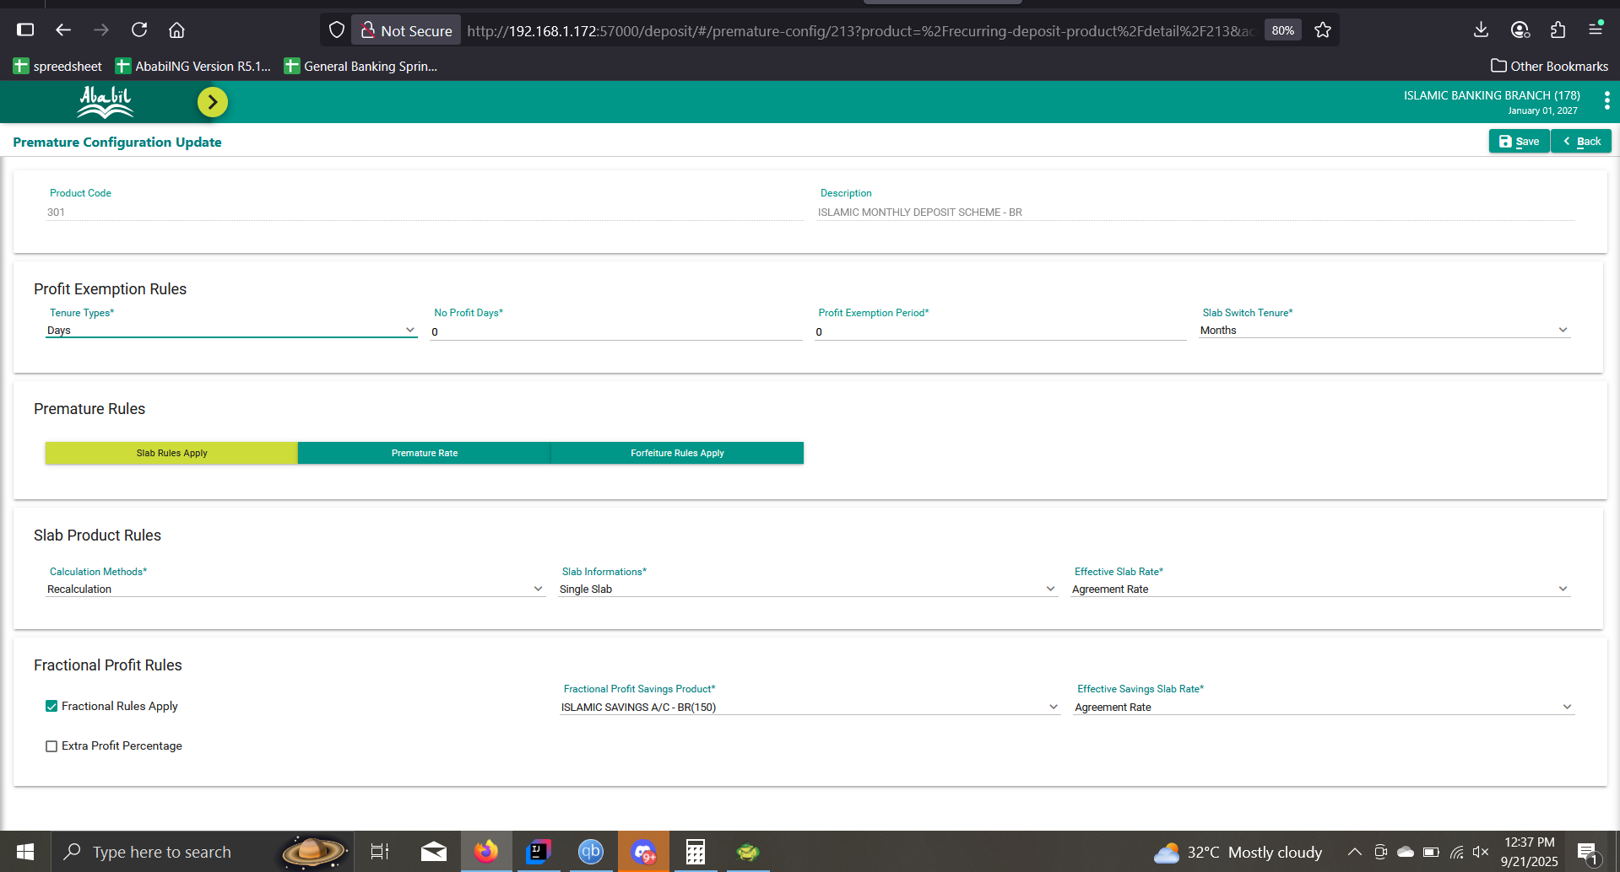
 |  |  |  |  | Premature Config
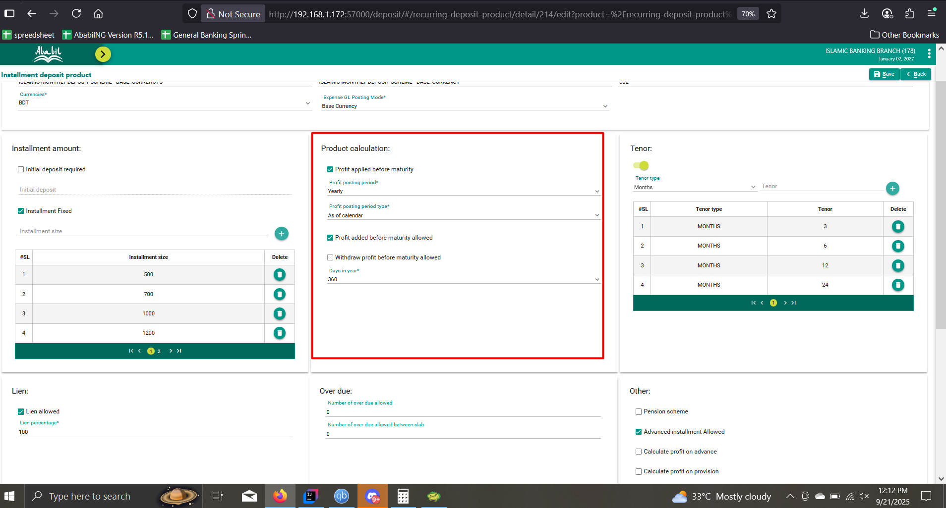

Product | A/C
302 | 1783020000001 | With Compound Profit | yearly profit posting period |  | As of calender

Slab Info | Slab Rate
Single | Agreement

Calculation
Slab Product Code | Slab Tenor | Savings Slab | From Date | To Date | Product | No. Of Days | Balance | Balance After Fix | Excise Duty | Premature Profit Rate | Premature Profit | Tax
302 | 12 | N | 28-03-2025 | 31-03-2025 | 0 | 4 | 0 | 0 | 0 | 8 | 0 | 0
302 | 12 | N | 2025-01-04 | 30-04-2025 | 16,500.00 | 30 | 0 | 1,000.00 | 0 | 8 | 3.67 | 0.55
302 | 12 | N | 2025-01-05 | 31-05-2025 | 33,000.00 | 31 | 0 | 1,500.00 | 0 | 8 | 7.33 | 1.1
302 | 12 | N | 2025-01-06 | 30-06-2025 | 46,500.00 | 30 | 0 | 2,000.00 | 0 | 8 | 10.33 | 1.55
302 | 12 | N | 2025-01-07 | 31-07-2025 | 64,000.00 | 31 | 0 | 2,500.00 | 0 | 8 | 14.22 | 2.13
302 | 12 | N | 2025-01-08 | 31-08-2025 | 79,500.00 | 31 | 0 | 3,000.00 | 0 | 8 | 17.67 | 2.65
302 | 12 | N | 2025-01-09 | 30-09-2025 | 91,500.00 | 30 | 0 | 3,500.00 | 0 | 8 | 20.33 | 3.05
302 | 12 | N | 2025-01-10 | 31-10-2025 | 110,500.00 | 31 | 0 | 4,000.00 | 0 | 8 | 24.56 | 3.68
302 | 12 | N | 2025-01-11 | 30-11-2025 | 121,500.00 | 30 | 0 | 4,500.00 | 0 | 8 | 27 | 4.05
302 | 12 | N | 2025-01-12 | 31-12-2025 | 141,500.00 | 31 | 5,000.00 | 5,000.00 | 0 | 8 | 31.44 | 4.72
302 | 12 | N | 2026-01-01 | 31-01-2026 | 161,125.17 | 31 | 5,000.00 | 5,633.07 | 0 | 8 | 35.81 | 5.37
302 | 12 | N | 2026-01-02 | 28-02-2026 | 158,225.96 | 28 | 5,000.00 | 6,133.07 | 0 | 8 | 35.16 | 5.27
302 | 12 | N | 2026-01-03 | 27-03-2026 | 165,592.89 | 27 | 5,000.00 | 6,133.07 | 0 | 8 | 36.8 | 5.52
150 | 0 | Y | 28-03-2026 | 31-03-2026 | 25,032.28 | 4 | 6,133.07 | 6,633.07 | 0 | 5 | 3.48 | 0.52
150 | 0 | Y | 2026-01-04 | 30-04-2026 | 199,492.10 | 30 | 6,133.07 | 7,133.07 | 0 | 5 | 27.71 | 4.16
150 | 0 | Y | 2026-01-05 | 31-05-2026 | 221,625.17 | 31 | 6,133.07 | 7,633.07 | 0 | 5 | 30.78 | 4.62
150 | 0 | Y | 2026-01-06 | 30-06-2026 | 228,992.10 | 30 | 6,133.07 | 7,633.07 | 0 | 5 | 31.8 | 4.77
150 | 0 | Y | 2026-01-07 | 31-07-2026 | 236,625.17 | 31 | 6,133.07 | 7,633.07 | 0 | 5 | 32.86 | 4.93
150 | 0 | Y | 2026-01-08 | 31-08-2026 | 236,625.17 | 31 | 6,133.07 | 7,633.07 | 0 | 5 | 32.86 | 4.93
150 | 0 | Y | 2026-01-09 | 30-09-2026 | 228,992.10 | 30 | 6,133.07 | 7,633.07 | 0 | 5 | 31.8 | 4.77
150 | 0 | Y | 2026-01-10 | 31-10-2026 | 236,625.17 | 31 | 6,133.07 | 7,633.07 | 0 | 5 | 32.86 | 4.93
150 | 0 | Y | 2026-01-11 | 30-11-2026 | 228,992.10 | 30 | 6,133.07 | 7,633.07 | 0 | 5 | 31.8 | 4.77
150 | 0 | Y | 2026-01-12 | 31-12-2026 | 236,625.17 | 31 | 7,633.07 | 7,633.07 | 0 | 5 | 32.86 | 4.93
150 | 0 | Y | 2027-01-01 | 27-01-2027 | 215,194.32 | 27.00 | 7,970.16 | 7,633.07 | 0 | 5 | 29.89 | 4.48
 |  |  |  |  |  |  |  |  |  |  | Total Profit | Total Tax
 |  |  |  |  |  |  |  |  |  |  | 583.02 | 87.45
 |  |  |  |  |  |  |  |  |  |  | Ui Total Profit | Ui Total Tax
 |  |  |  |  |  |  |  |  |  |  | 583.02 | 87.45

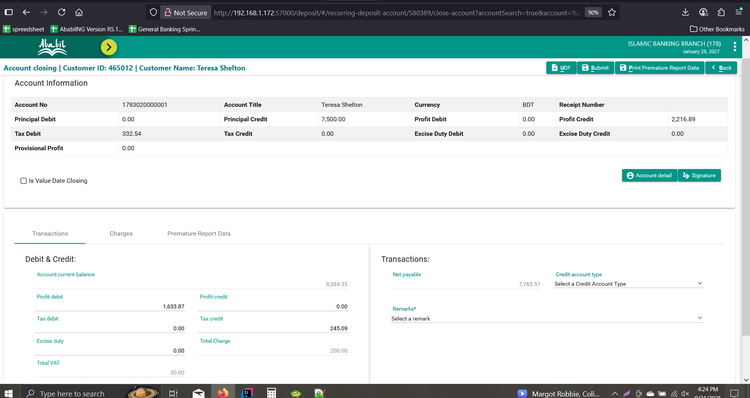
Net Payable Cal

Profit Debit | 1,633.87
Profit Credit Before | 2,216.89
Profit Credit Now | 0

Tax Debit Before | 332.54
Tax Debit Now | 0
Tax Credit | 245.09

Excise Duty | 0
Total Charge | 200
Total Vat | 30

A/C Current Balance | 9,384.35

Net Payable | 7,765.57

Actual Net Payable | 7,765.57

Deviation | 0.00

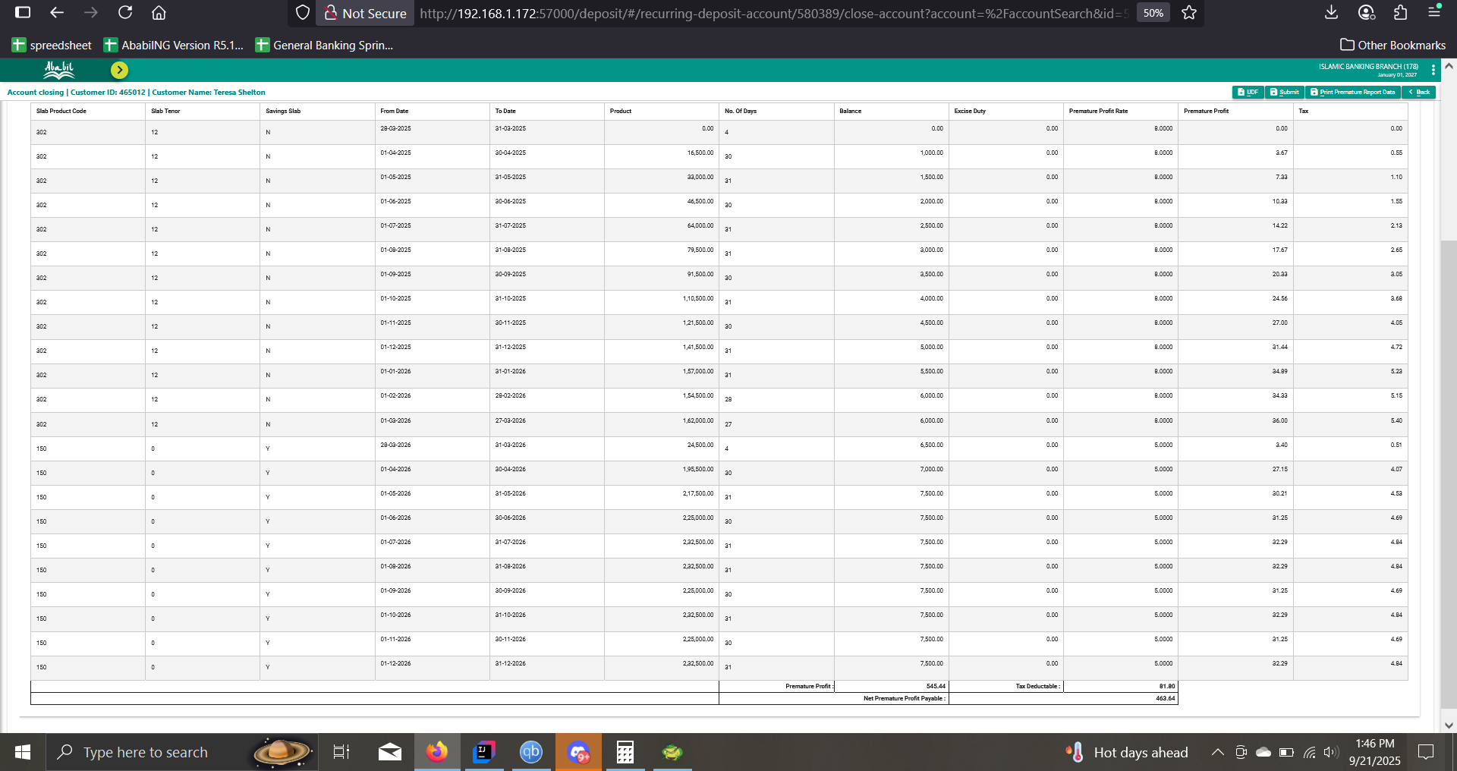

302 | 12 | N | 28-03-2025 | 31-03-2025 | 0 | 4 | 0 | 0 | 8 | 0 | 0 | 0
302 | 12 | N | 2025-01-04 | 30-04-2025 | 16,500.00 | 30 | 1,000.00 | 0 | 8 | 3.67 | 0.55 | 0.55
302 | 12 | N | 2025-01-05 | 31-05-2025 | 33,000.00 | 31 | 1,500.00 | 0 | 8 | 7.33 | 1.1 | 1.1
302 | 12 | N | 2025-01-06 | 30-06-2025 | 46,500.00 | 30 | 2,000.00 | 0 | 8 | 10.33 | 1.55 | 1.55
302 | 12 | N | 2025-01-07 | 31-07-2025 | 64,000.00 | 31 | 2,500.00 | 0 | 8 | 14.22 | 2.13 | 2.13
302 | 12 | N | 2025-01-08 | 31-08-2025 | 79,500.00 | 31 | 3,000.00 | 0 | 8 | 17.67 | 2.65 | 2.65
302 | 12 | N | 2025-01-09 | 30-09-2025 | 91,500.00 | 30 | 3,500.00 | 0 | 8 | 20.33 | 3.05 | 3.05
302 | 12 | N | 2025-01-10 | 31-10-2025 | 1,10,500.00 | 31 | 4,000.00 | 0 | 8 | 24.56 | 3.68 | 3.68
302 | 12 | N | 2025-01-11 | 30-11-2025 | 1,21,500.00 | 30 | 4,500.00 | 0 | 8 | 27 | 4.05 | 4.05
302 | 12 | N | 2025-01-12 | 31-12-2025 | 1,41,500.00 | 31 | 5,000.00 | 0.00 | 8 | 31.44 | 4.72 | 4.72
302 | 12 | N | 2026-01-01 | 31-01-2026 | 1,57,000.00 | 31 | 5,500.00 | 0.00 | 8 | 34.89 | 5.23 | 5.37
302 | 12 | N | 2026-01-02 | 28-02-2026 | 1,54,500.00 | 28 | 6,000.00 | 0.00 | 8 | 34.33 | 5.15 | 5.27
302 | 12 | N | 2026-01-03 | 27-03-2026 | 1,62,000.00 | 27 | 6,222.51 | 0.00 | 8 | 36 | 5.4 | 5.52
150 | 0 | Y | 28-03-2026 | 31-03-2026 | 25,390.04 | 4 | 6,722.51 | 0.00 | 5 | 3.53 | 0.53 | 0.52
150 | 0 | Y | 2026-01-04 | 30-04-2026 | 2,02,175.30 | 30 | 7,222.51 | 0.00 | 5 | 28.08 | 4.21 | 4.16
150 | 0 | Y | 2026-01-05 | 31-05-2026 | 2,24,397.81 | 31 | 7,722.51 | 0.00 | 5 | 31.17 | 4.68 | 4.62
150 | 0 | Y | 2026-01-06 | 30-06-2026 | 2,31,675.30 | 30 | 7,722.51 | 0.00 | 5 | 32.18 | 4.83 | 4.77
150 | 0 | Y | 2026-01-07 | 31-07-2026 | 2,39,397.81 | 31 | 7,722.51 | 0.00 | 5 | 33.25 | 4.99 | 4.93
150 | 0 | Y | 2026-01-08 | 31-08-2026 | 2,39,397.81 | 31 | 7,722.51 | 0.00 | 5 | 33.25 | 4.99 | 4.93
150 | 0 | Y | 2026-01-09 | 30-09-2026 | 2,31,675.30 | 30 | 7,722.51 | 0.00 | 5 | 32.18 | 4.83 | 4.77
150 | 0 | Y | 2026-01-10 | 31-10-2026 | 2,39,397.81 | 31 | 7,722.51 | 0.00 | 5 | 33.25 | 4.99 | 4.93
150 | 0 | Y | 2026-01-11 | 30-11-2026 | 2,31,675.30 | 30 | 7,722.51 | 0.00 | 5 | 32.18 | 4.83 | 4.77
150 | 0 | Y | 2026-01-12 | 31-12-2026 | 2,39,397.81 | 31 | 7,722.51 | 0.00 | 5 | 33.25 | 4.99 | 4.93
150 | 0 | Y | 2027-01-01 | 27-01-2027 | 2,08,507.77 | 27 | 7,722.51 | 0 | 5 | 28.96 | 4.34

3_RECAL_SINGLE_LOW
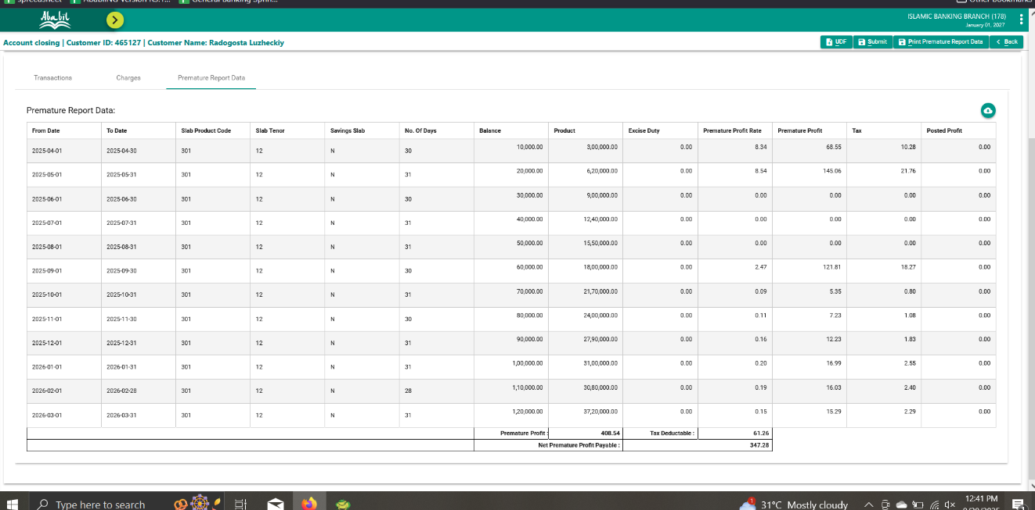
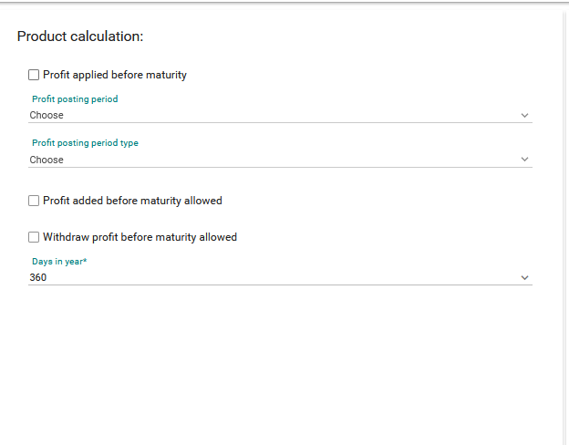
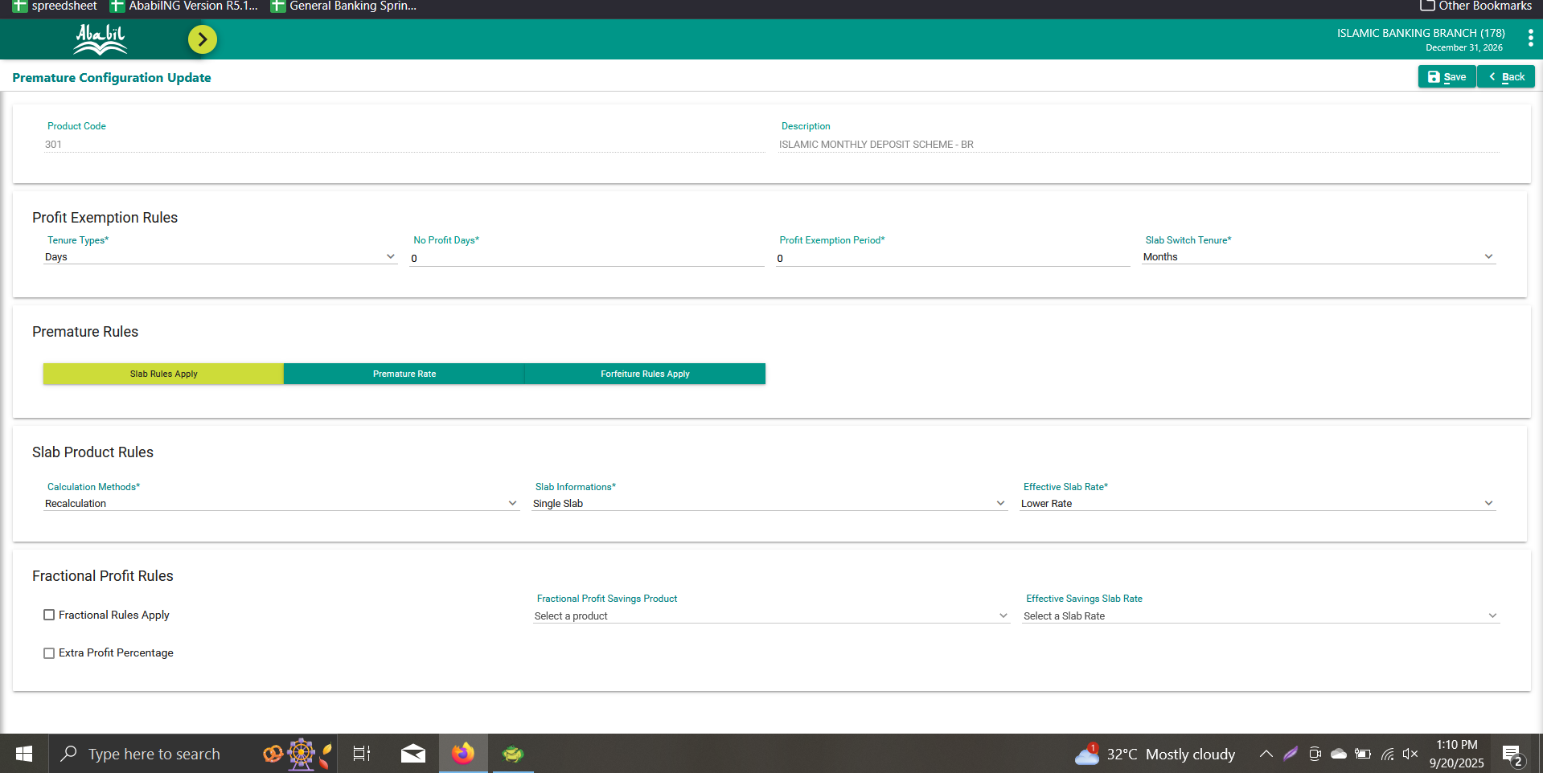
Product Calculation |  |  |  |  | Premature Config |  |  |  |  |  | Product | Account
 | https://prnt.sc/n9TRaObgPD_F |  |  |  |  |  |  |  |  |  | 301 | 1783010000008

Product | A/C
301 | 1783010000008

Product | A/C
301 | 1783010000008

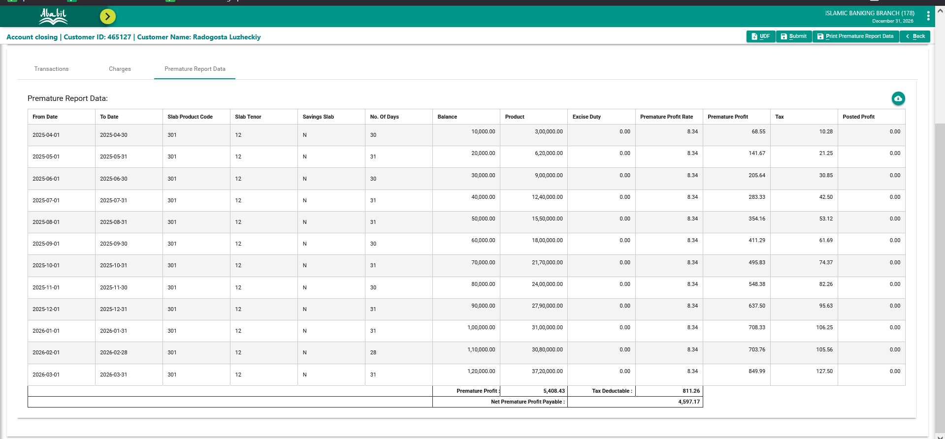
Report Link
https://docs.google.com/spreadsheets/d/15syXncQAgWmciMnTtZrTCcnEcJ4-1GXmDz8Y-sID8so/edit?gid=0#gid=0

Slab Info | Slab Rate
Single Slab | Lower

Calculation
From Date | To Date | Slab Product Code | Slab Tenor | Savings Slab | No. Of Days | Balance | Product | Excise Duty | Premature Profit Rate | Premature Profit | Tax | Posted Profit
2025-04-01 | 2025-04-30 | 301 | 12 | N | 30 | 10,000.00 | 300000 | 0 | 8.34 | 68.55 | 10.28 | 0
2025-05-01 | 2025-05-31 | 301 | 12 | N | 31 | 20,000.00 | 620000 | 0 | 8.34 | 141.67 | 21.25 | 0
2025-06-01 | 2025-06-30 | 301 | 12 | N | 30 | 30,000.00 | 900000 | 0 | 8.34 | 205.64 | 30.85 | 0
2025-07-01 | 2025-07-31 | 301 | 12 | N | 31 | 40,000.00 | 1240000 | 0 | 8.34 | 283.33 | 42.50 | 0
2025-08-01 | 2025-08-31 | 301 | 12 | N | 31 | 50,000 | 1550000 | 0 | 8.34 | 354.16 | 53.12 | 0
2025-09-01 | 2025-09-30 | 301 | 12 | N | 30 | 60,000.00 | 1800000 | 0 | 8.34 | 411.29 | 61.69 | 0
2025-10-01 | 2025-10-31 | 301 | 12 | N | 31 | 70,000.00 | 2170000 | 0 | 8.34 | 495.83 | 74.37 | 0
2025-11-01 | 2025-11-30 | 301 | 12 | N | 30 | 80,000.00 | 2400000 | 0 | 8.34 | 548.38 | 82.26 | 0
2025-12-01 | 2025-12-31 | 301 | 12 | N | 31 | 90,000.00 | 2790000 | 0 | 8.34 | 637.50 | 95.62 | 0
2026-01-01 | 2026-01-31 | 301 | 12 | N | 31 | 100,000.00 | 3100000 | 0 | 8.34 | 708.33 | 106.25 | 0
2026-02-01 | 2026-02-28 | 301 | 12 | N | 28 | 110,000.00 | 3080000 | 0 | 8.34 | 703.76 | 105.56 | 0
2026-03-01 | 2026-03-31 | 301 | 12 | N | 31 | 120,000.00 | 3720000 | 0 | 8.34 | 849.99 | 127.50 | 0
 |  |  |  |  |  |  |  |  |  | Total Profit | Total Tax
 |  |  |  |  |  |  |  |  |  | #ERROR! | 811.25
Net Payable Cal |  |  |  |  |  |  |  |  |  | UI Prifit | Ui Tax
 |  |  |  |  |  |  |  |  |  | 5408.43 | 811.26
Profit Debit | #VALUE!
Profit Credit Before | 12,673.86
Profit Credit Now | 0

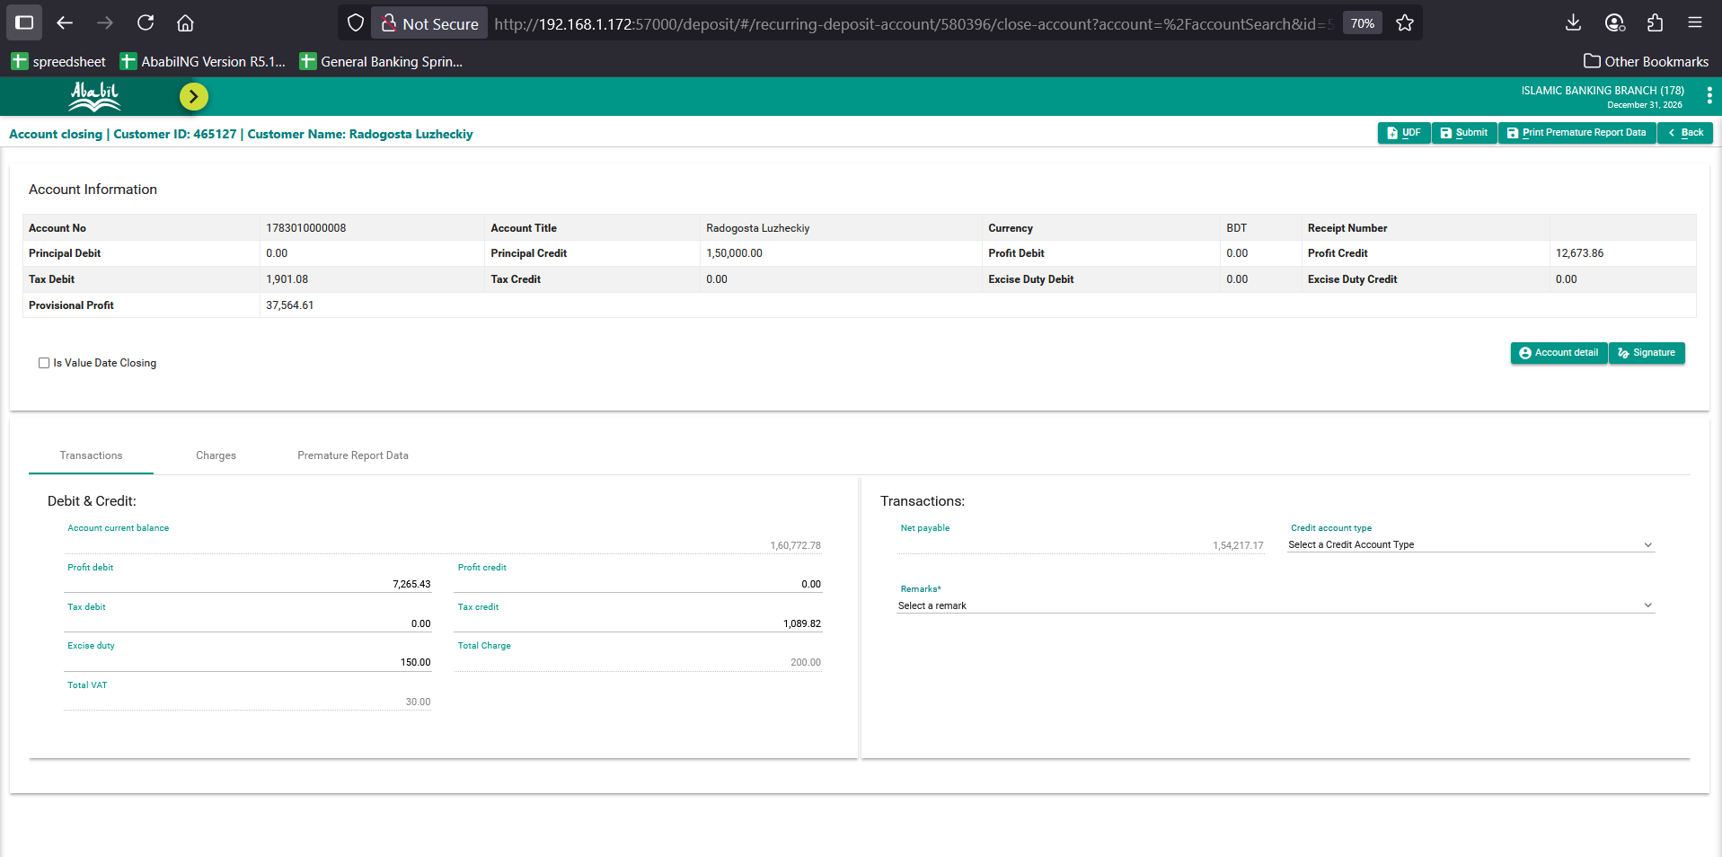
Tax Debit Before | 1,901.08
Tax Debit Now | 0
Tax Credit | #VALUE!

Excise Duty | 150
Total Charge | 200
Total Vat | 30

A/C Current Balance | 160,772.78

Net Payable | #VALUE!

Actual Net Payable | 154,217.17

Deviation | #VALUE!

4_RECAL_SINGLE_APP
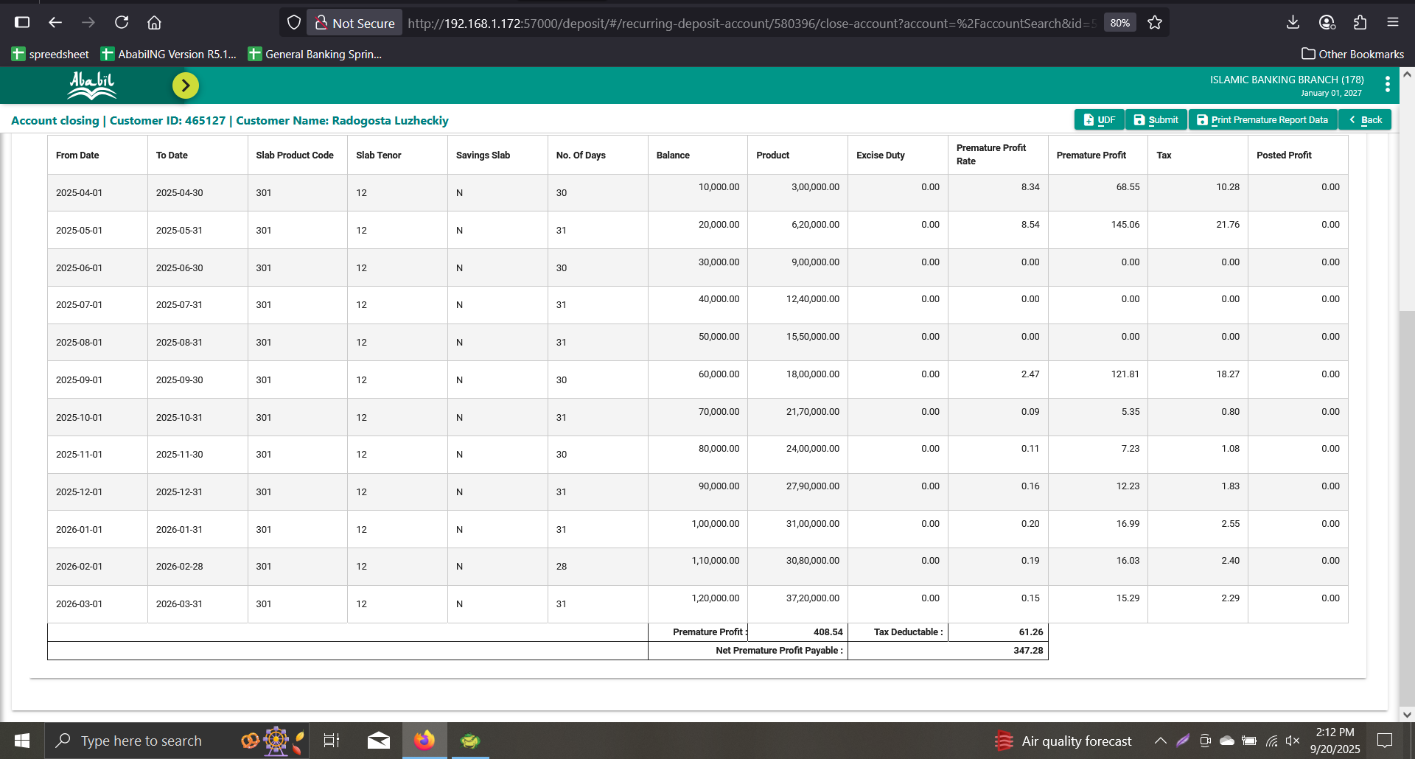
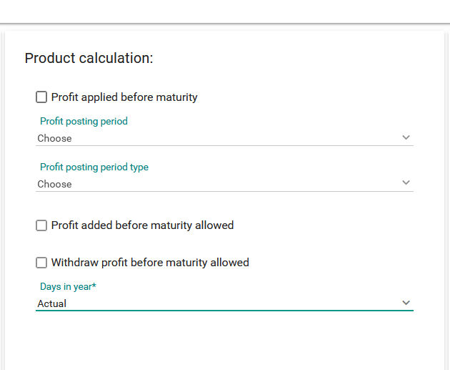
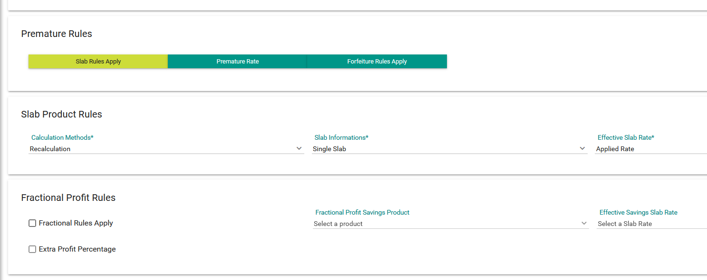
Product Calculation |  |  |  |  | Premature Config |  |  |  |  |  | Product | Account
 | https://prnt.sc/n9TRaObgPD_F |  |  |  |  |  |  |  |  |  | 301 | 1783010000008

Product | A/C
301 | 1783010000008

Profit applied before maturity | Profit Posting Period | Profit Posting Period Type | Profit added before maturity allowed (Compound Profit) | Days In Year | Slab Info | Slab Rate | Fractional Rule | Extra Profit %

Report Link
https://docs.google.com/spreadsheets/d/15syXncQAgWmciMnTtZrTCcnEcJ4-1GXmDz8Y-sID8so/edit?gid=0#gid=0

Slab Info | Slab Rate
Single Slab | Applied

Calculation
From Date | To Date | Slab Product Code | Slab Tenor | Savings Slab | No. Of Days | Balance | Product | Excise Duty | Premature Profit Rate | Premature Profit | Tax | Posted Profit
2025-04-01 | 2025-04-30 | 301 | 12 | N | 30 | 10,000.00 | 300,000.00 | 0 | 8.34 | 68.55 | 10.28 | 0
2025-05-01 | 2025-05-31 | 301 | 12 | N | 31 | 20,000.00 | 620,000.00 | 0 | 8.54 | 145.06 | 21.76 | 0
2025-06-01 | 2025-06-30 | 301 | 12 | N | 30 | 30,000.00 | 900,000.00 | 0 | 0 | 0.00 | 0.00 | 0
2025-07-01 | 2025-07-31 | 301 | 12 | N | 31 | 40,000.00 | 1,240,000.00 | 0 | 0 | 0.00 | 0.00 | 0
2025-08-01 | 2025-08-31 | 301 | 12 | N | 31 | 50,000.00 | 1,550,000.00 | 0 | 0 | 0.00 | 0.00 | 0
2025-09-01 | 2025-09-30 | 301 | 12 | N | 30 | 60,000.00 | 1,800,000.00 | 0 | 2.47 | 121.81 | 18.27 | 0
2025-10-01 | 2025-10-31 | 301 | 12 | N | 31 | 70,000.00 | 2,170,000.00 | 0 | 0.09 | 5.35 | 0.80 | 0
2025-11-01 | 2025-11-30 | 301 | 12 | N | 30 | 80,000.00 | 2,400,000.00 | 0 | 0.11 | 7.23 | 1.08 | 0
2025-12-01 | 2025-12-31 | 301 | 12 | N | 31 | 90,000.00 | 2,790,000.00 | 0 | 0.16 | 12.23 | 1.83 | 0
2026-01-01 | 2026-01-31 | 301 | 12 | N | 31 | 1,00,000.00 | 3,100,000.00 | 0 | 0.2 | 16.99 | 2.55 | 0
2026-02-01 | 2026-02-28 | 301 | 12 | N | 28 | 1,10,000.00 | 3,080,000.00 | 0 | 0.19 | 16.03 | 2.40 | 0
2026-03-01 | 2026-03-31 | 301 | 12 | N | 31 | 1,20,000.00 | 3,720,000.00 | 0 | 0.15 | 15.29 | 2.29 | 0
 |  |  |  |  |  |  |  |  |  | Total Profit | Total Tax
 |  |  |  |  |  |  |  |  |  | 408.54 | 61.26
Net Payable Cal |  |  |  |  |  |  |  |  |  | UI Prifit | Ui Tax
 |  |  |  |  |  |  |  |  |  | 408.54 | 61.26
Profit Debit | 12,265.32
Profit Credit Before | 12,673.86
Profit Credit Now | 0.00

Tax Debit Before | 1,901.08
Tax Debit Now | 0.00
Tax Credit | 1,839.82

Excise Duty | 150.00
Total Charge | 200.00
Total Vat | 30.00

A/C Current Balance | 160,772.78

Net Payable | 149,967.28

Actual Net Payable | 149,967.28

Deviation | 0.00

Provision_profit_rate
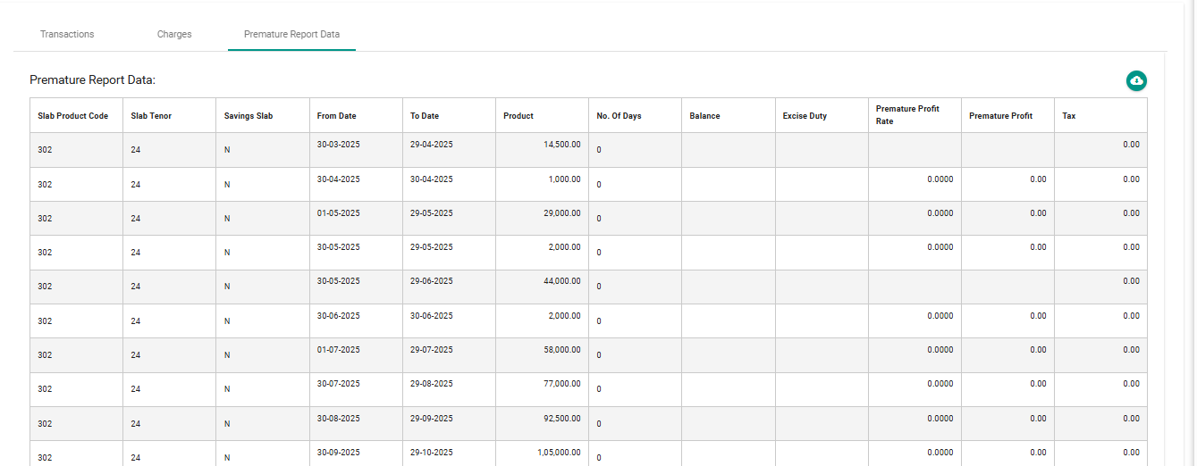

Type | SL NO | Profit applied before maturity | Profit Posting Period | Profit Posting Period Type | Profit added before maturity allowed (Compound Profit) | Days In Year | Slab Info | Slab Rate
Provision Last Profit | 1 | TRUE | MONTHLY | As of account | TRUE | Actual | - | -
 | 2 | TRUE | MONTHLY | As of account | FALSE | Actual | - | -
 | 3 | TRUE | MONTHLY | As of calendar | TRUE | 360 | - | -
 | 4 | TRUE | YEARLY | As of calendar | TRUE | Actual | - | -
 | 5 | TRUE | YEARLY | As of account | FALSE | 360 | - | -
 | 6 | FALSE | N/A | N/A | N/A | Actual | - | -

 |  | Product | 302
 |  | Account No | 1783020000002

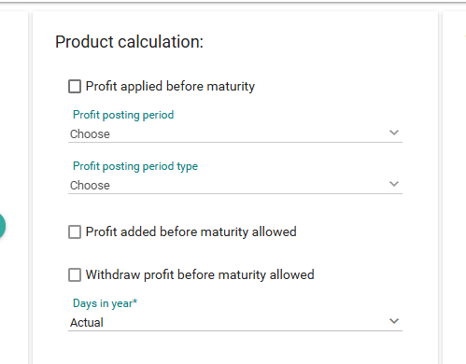
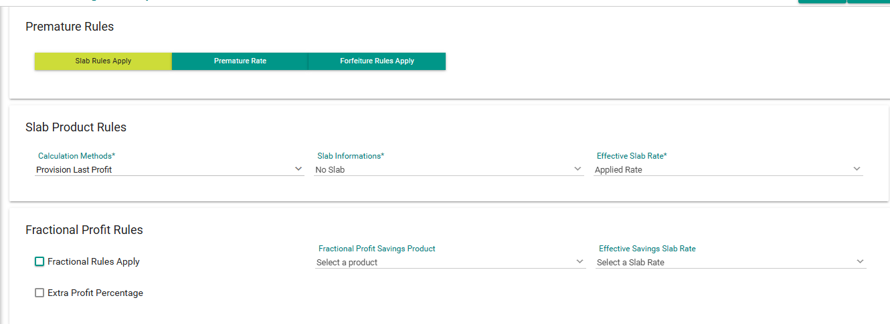
SL No. |  | Product Calculation |  |  |  |  |  |  |  | Premature Config
6

 |  | Report Link: | https://docs.google.com/spreadsheets/d/19aAHlAektjIsPXlWlFGEBtSNZ7uSm0dj/edit?gid=195841665#gid=195841665

 |  | Database check:
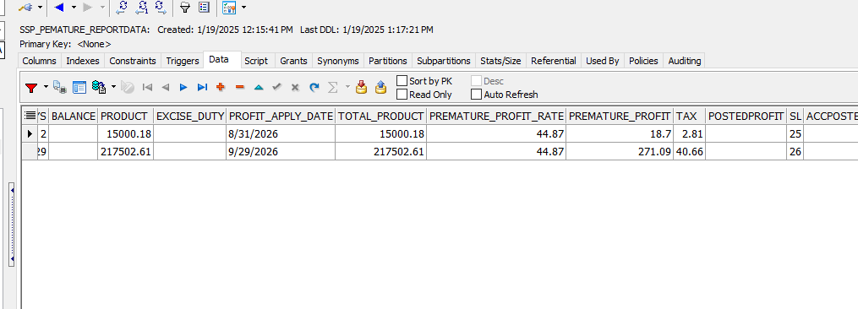

Transactions: |  | Check Net Payable |  |  |  |  |  |  | Actual Result:

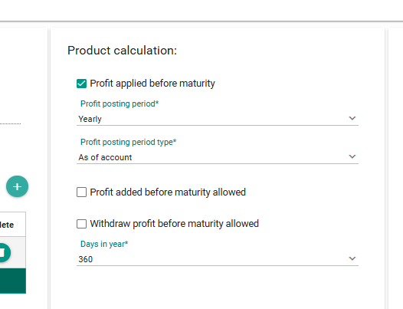
SL No. |  | Product Calculation |  |  |  |  |  |  |  | Premature Config
5

 |  | Report Link: | https://docs.google.com/spreadsheets/d/1hjy6eyG6TSrvkhE1p6UXSArJMHSeA94-/edit?gid=1405818927#gid=1405818927

 |  | Database check:

Transactions: |  | Check Net Payable |  |  |  |  |  |  | Actual Result:

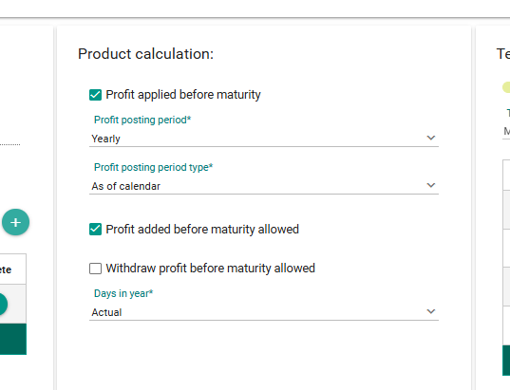
SL No. |  | Product Calculation |  |  |  |  |  |  |  | Premature Config
4

 |  | Report Link: | https://docs.google.com/spreadsheets/d/1boWscopVI1mwb4XWGG0SChu14cgXkdYO/edit?gid=1747479309#gid=1747479309

 |  | Database check:

Transactions: |  | Check Net Payable |  |  |  |  |  |  | Actual Result:

SL No. |  | Product Calculation |  |  |  |  |  |  |  | Premature Config
3
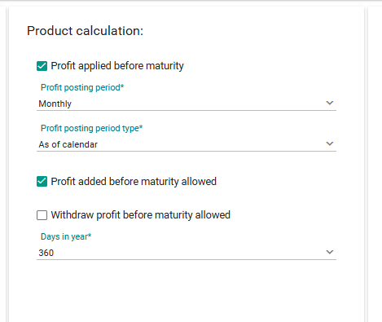

 |  | Report Link: | https://docs.google.com/spreadsheets/d/1DU5wenOofobImc45iHIV7bFCzz3WfZI8/edit?gid=12301781#gid=12301781

 |  | Database check:

Transactions: |  | Check Net Payable |  |  |  |  |  |  | Actual Result:
2

SL No. |  | Product Calculation |  |  |  |  |  |  |  | Premature Config
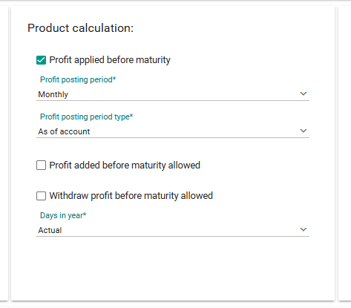

 |  | Report Link: | https://docs.google.com/spreadsheets/d/1a45s5iVo1BCTO2uTaclJbUye3p-Kr0q-/edit?gid=2065455879#gid=2065455879

 |  | Database check:

Transactions: |  | Check Net Payable

 |  | Actual Result:

SL No. |  | Product Calculation |  |  |  |  |  |  |  | Premature Config
1

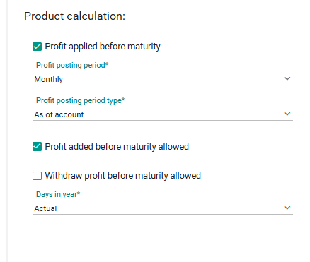

 |  | Report Link: | https://docs.google.com/spreadsheets/d/1xaF6rdGk5MsKm2wwUwKOkUDQdvhtTMye/edit?gid=899407148#gid=899407148

 |  | Database check:

Transactions: |  | Check Net Payable

 |  | Actual Result:

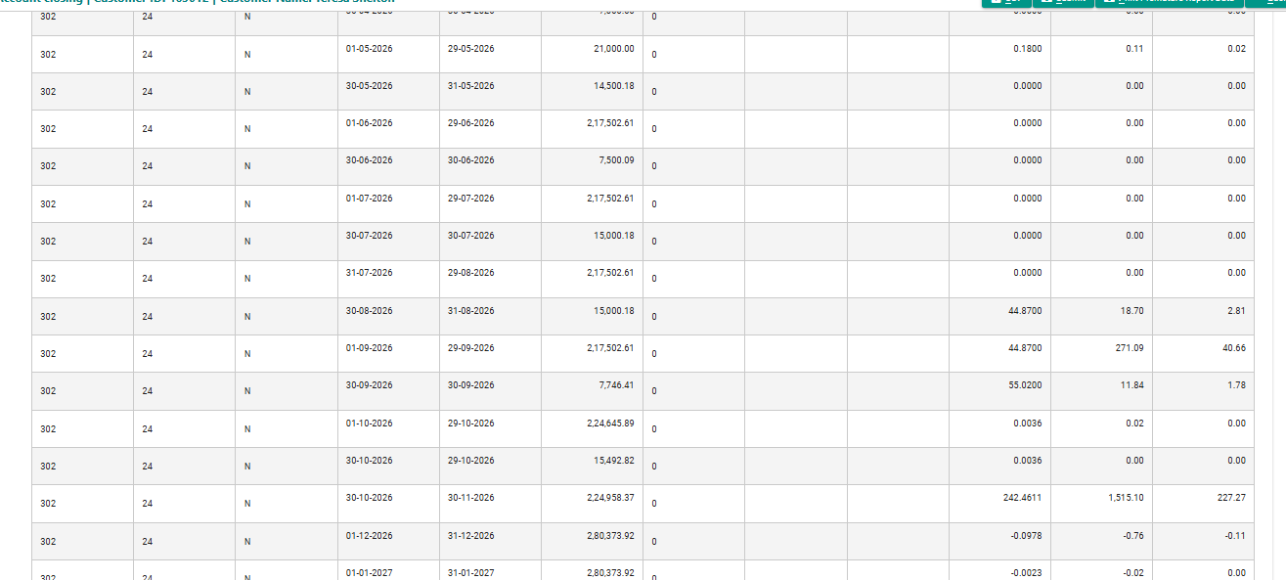

Report link: |  | https://docs.google.com/spreadsheets/d/1W2e-JA_YNMMeZJ1UEaHy9bYuyCz6TTVI/edit?gid=1164515907#gid=1164515907

Reference screenshot: | Transaction Net payable Calculation

Retest Provision_profit_rate
Type | SL NO | Profit applied before maturity | Profit Posting Period | Profit Posting Period Type | Profit added before maturity allowed (Compound Profit) | Days In Year | Slab Info | Slab Rate
Provision Last Profit | 1 | TRUE | MONTHLY | As of account | TRUE | Actual | - | -
 | 2 | TRUE | MONTHLY | As of account | FALSE | Actual | - | -
 | 3 | TRUE | MONTHLY | As of calendar | TRUE | 360 | - | -
 | 4 | TRUE | YEARLY | As of calendar | TRUE | Actual | - | -
 | 5 | TRUE | YEARLY | As of account | FALSE | 360 | - | -
 | 6 | FALSE | N/A | N/A | N/A | Actual | - | -

 |  | Product | 302
 |  | Account No | 1783020000002

SL No. |  | Product Calculation |  |  |  |  |  |  |  |  | Premature Config
4
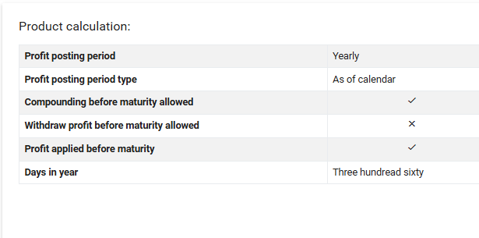

Calculation:
Slab Product Code | Slab Tenor | Savings Slab | From Date | To Date | Product | No. Of Days | Balance | Excise Duty | Premature Profit Rate | Premature Profit | Tax
302 | 24 | N | 30-03-2025 | 29-04-2025 | 14,500.00 | 0 |  |  |  |  | 0
302 | 24 | N | 30-04-2025 | 30-04-2025 | 1,000.00 | 0 |  |  | 0 | 0 | 0
302 | 24 | N | 2025-01-05 | 29-05-2025 | 29,000.00 | 0 |  |  | 0 | 0 | 0
302 | 24 | N | 30-05-2025 | 29-05-2025 | 2,000.00 | 0 |  |  | 0 | 0 | 0
302 | 24 | N | 30-05-2025 | 29-06-2025 | 44,000.00 | 0 |  |  |  |  | 0
302 | 24 | N | 30-06-2025 | 30-06-2025 | 2,000.00 | 0 |  |  | 0 | 0 | 0
302 | 24 | N | 2025-01-07 | 29-07-2025 | 58,000.00 | 0 |  |  | 0 | 0 | 0
302 | 24 | N | 30-07-2025 | 29-08-2025 | 77,000.00 | 0 |  |  | 0 | 0 | 0
302 | 24 | N | 30-08-2025 | 29-09-2025 | 92,500.00 | 0 |  |  | 0 | 0 | 0
302 | 24 | N | 30-09-2025 | 29-10-2025 | 1,05,000.00 | 0 |  |  | 0 | 0 | 0
302 | 24 | N | 30-10-2025 | 29-11-2025 | 1,23,500.00 | 0 |  |  | 0 | 0 | 0
302 | 24 | N | 30-11-2025 | 29-12-2025 | 1,35,000.00 | 0 |  |  | 0 | 0 | 0
302 | 24 | N | 30-12-2025 | 29-01-2026 | 1,54,500.00 | 0 |  |  | 0 | 0 | 0
302 | 24 | N | 30-01-2026 | 27-02-2026 | 1,59,000.00 | 0 |  |  | 0 | 0 | 0
302 | 24 | N | 28-02-2026 | 29-03-2026 | 1,80,000.00 | 0 |  |  | 0 | 0 | 0
302 | 24 | N | 30-03-2026 | 29-04-2026 | 2,01,000.00 | 0 |  |  |  |  | 0
302 | 24 | N | 30-04-2026 | 30-04-2026 | 7,000.00 | 0 |  |  | 0 | 0 | 0
302 | 24 | N | 2026-01-05 | 29-05-2026 | 21,000.00 | 0 |  |  | 0.18 | 0.11 | 0.02
302 | 24 | N | 30-05-2026 | 31-05-2026 | 14,500.18 | 0 |  |  | 0 | 0 | 0
302 | 24 | N | 2026-01-06 | 29-06-2026 | 2,17,502.61 | 0 |  |  | 0 | 0 | 0
302 | 24 | N | 30-06-2026 | 30-06-2026 | 7,500.09 | 0 |  |  | 0 | 0 | 0
302 | 24 | N | 2026-01-07 | 29-07-2026 | 2,17,502.61 | 0 |  |  | 0 | 0 | 0
302 | 24 | N | 30-07-2026 | 30-07-2026 | 15,000.18 | 0 |  |  | 0 | 0 | 0
302 | 24 | N | 31-07-2026 | 29-08-2026 | 2,17,502.61 | 0 |  |  | 0 | 0 | 0
302 | 24 | N | 30-08-2026 | 31-08-2026 | 15,000.18 | 0 |  |  | 44.87 | 18.7 | 2.81
302 | 24 | N | 2026-01-09 | 29-09-2026 | 217,502.61 | 0 |  |  | 44.87 | 271.09 | 40.66
302 | 24 | N | 30-09-2026 | 30-09-2026 | 7,746.41 | 0 |  |  | 55.02 | 11.84 | 1.78
302 | 24 | N | 2026-01-10 | 29-10-2026 | 224,645.89 | 0 |  |  | 0.0036 | 0.02 | 0
302 | 24 | N | 30-10-2026 | 29-10-2026 | 15,492.82 | 0 |  |  | 0.0036 | 0 | 0
302 | 24 | N | 30-10-2026 | 30-11-2026 | 224,958.37 | 0 |  |  | 242.4611 | 1515.1 | 227.27
302 | 24 | N | 2026-01-12 | 31-12-2026 | 280,373.92 | 0 |  |  | -0.0978 | -0.76 | -0.11
302 | 24 | N | 2027-01-01 | 31-01-2027 | 280,373.92 | 0 |  |  | -0.0023 | -0.02 | 0
 |  |  |  |  |  |  |  | Premature Profit : |  | 1816.08
 |  |  |  |  |  |  |  | Tax Deductable : |  |  | 272.43
 |  |  |  |  |  |  |  | Net Premature Profit Payable : |  |  |  | 1543.65

reference screenshot: | Premature report data

Report link: |  | https://docs.google.com/spreadsheets/d/1W2e-JA_YNMMeZJ1UEaHy9bYuyCz6TTVI/edit?gid=1164515907#gid=1164515907

Reference screenshot: | Transaction Net payable Calculation

Reference screenshot: | Database check

Premature_rate
SL | TCID | Type | Serenio / Condition | Profit applied before maturity | Profit Posting Period | Profit Posting Period Type | Profit added before maturity allowed (Compound Profit) | Days In Year | Slab Info | Slab Rate | Fractional Rule | Extra Profit % | From tenor(inclusive) | To tenor(exclusive) | Profit Rate
 |  |  |  | TRUE | MONTHLY | As of account | TRUE | Actual | - | -
 |  |  |  | TRUE | MONTHLY | As of account | FALSE | Actual | - | -
 |  |  |  | TRUE | MONTHLY | As of calendar | TRUE | 360 | - | -
 |  |  |  | TRUE | YEARLY | As of account | TRUE | Actual | - | -
 |  |  |  | TRUE | YEARLY | As of calendar | FALSE | 360 | - | -
 |  |  |  | FALSE | N/A | N/A | N/A | Actual | - | -
 |  | Premature Rate |  |  |  |  |  |  |  |  |  |  | 0 | 12 | 5 | Data 1
 |  |  |  |  |  |  |  |  |  |  |  |  | 12 | 24 | 7
 |  |  |  |  |  |  |  |  |  |  |  |  | 24 | 36 | 8
 |  |  |  |  |  |  |  |  |  |  |  |  | 36 | 60 | 9
 |  |  |  |  |  |  |  |  |  |  |  |  | 0 | 1 | 6 | Data 2
 |  |  |  |  |  |  |  |  |  |  |  |  | 1 | 2 | 7
 |  |  |  |  |  |  |  |  |  |  |  |  | 2 | 3 | 8

 |  | Product: | 351 |  |  |  |  |  | Formula:
 |  | Account No: | 1783510000015 |  |  |  |  |  | profit = | product*rate/actual or 36000

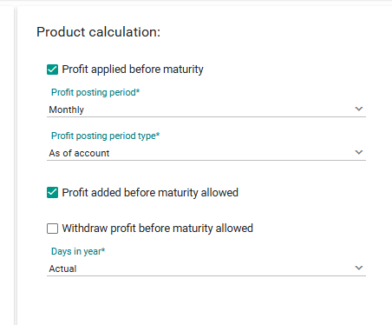
SL No. |  | Product Calculation |  |  |  |  |  |  |  |  | Premature Config
1

Reference screenshot: | Premature profit cal

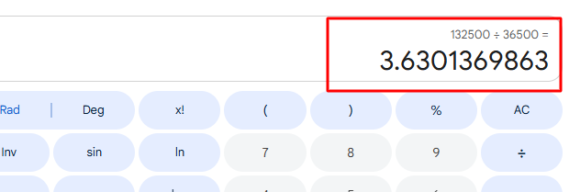

Report link: |  |  | https://docs.google.com/spreadsheets/d/1JEFikzmcEIBu-4G0QV_BBdGw2eSkm67r/edit?gid=1815055355#gid=1815055355

Reference screenshot: | Database check

Reference screenshot: | Transaction Net payable Calculation

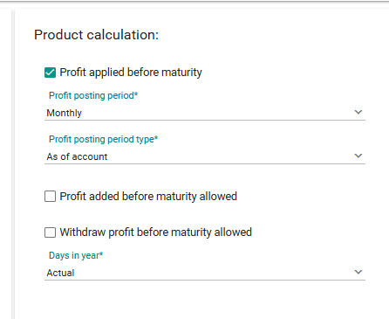
SL No. |  | Product Calculation |  |  |  |  |  |  |  |  | Premature Config
2

Reference screenshot: | Premature profit cal

Reference screenshot: | Transaction Net payable Calculation

Report link: |  |  | https://docs.google.com/spreadsheets/d/14lYPgbaq964fayRg1ZYNsURuSMyx7vS7/edit?gid=1662125182#gid=1662125182

Reference screenshot: | Database check

SL No. |  | Product Calculation |  |  |  |  |  |  |  |  | Premature Config
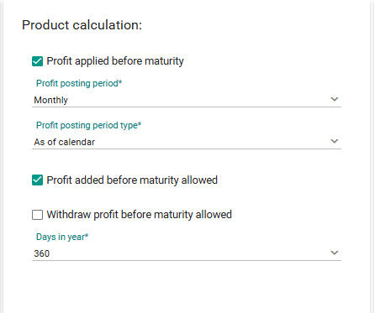
3

Reference screenshot: | Premature profit cal





Report link: |  |  | https://docs.google.com/spreadsheets/d/17aDMoJfYrPosiEOIUnHQDDZrknRANufp/edit?gid=1640467686#gid=1640467686

Reference screenshot: | Transaction Net payable Calculation


Reference screenshot: | Database check

SL No. |  | Product Calculation |  |  |  |  |  |  |  |  | Premature Config
4
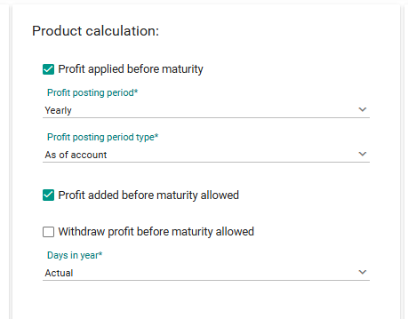

Reference screenshot: | Premature profit cal

Report link: |  | https://docs.google.com/spreadsheets/d/1283r-cAyQBfW82b4H4IvFL7-FC29ION3/edit?gid=1526479237#gid=1526479237

Reference screenshot: | Premature profit cal

Reference screenshot: | Database check

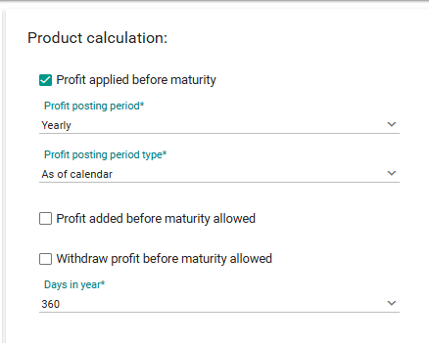
SL No. |  | Product Calculation |  |  |  |  |  |  |  |  | Premature Config
5

Reference screenshot: | Premature profit cal



Report link: |  |  | https://docs.google.com/spreadsheets/d/1daET1sPVtLiMbGIOZ354irtBlN4BxKsU/edit?gid=1367454800#gid=1367454800

Reference screenshot: | Transaction Net payable Calculation

Reference screenshot: | Database check

SL No. |  | Product Calculation |  |  |  |  |  |  |  |  | Premature Config
6
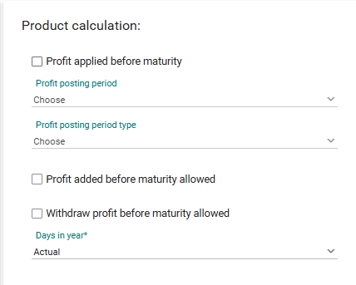

Reference screenshot: | Premature profit cal



Report link: |  | https://docs.google.com/spreadsheets/d/1uE3qV3-wuS6Iitrl_XziHw3UD0FDViaL/edit?gid=1953311877#gid=1953311877

Reference screenshot: | Transaction Net payable Calculation

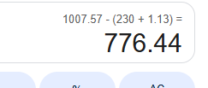

Reference screenshot: | Database check

Forfeiture Rules
SL |  | Type | Serenio / Condition | Profit applied before maturity | Profit Posting Period | Profit Posting Period Type | Profit added before maturity allowed (Compound Profit) | Days In Year | Slab Info | Slab Rate | Fractional Rule | Extra Profit % | From tenor(inclusive) | To tenor(exclusive) | Profit Rate | Forfeiture % for profit amount | Forfeiture rule type | From tenor(inclusive) | To tenor(exclusive) | Forfeiture % for profit amount | From tenor Completion Percentage | To tenor Completion Percentage | Forfeiture % for profit amount | Product | Account

 |  |  |  | TRUE | MONTHLY | As of account | TRUE | Actual | - | -
 |  |  |  | TRUE | MONTHLY | As of account | FALSE | Actual | - | -
 |  |  |  | TRUE | MONTHLY | As of calendar | TRUE | 360 | - | -
 |  |  |  | TRUE | YEARLY | As of account | TRUE | Actual | - | -
 |  |  |  | TRUE | YEARLY | As of calendar | FALSE | 360 | - | -
 |  |  |  | FALSE | N/A | N/A | N/A | Actual | - | -
 |  | Forfeiture Rules |  |  |  |  |  |  | Off |  |  |  |  |  |  | 60
 |  |  |  |  |  |  |  |  |  |  |  |  |  |  |  | 40
 |  |  |  |  |  |  |  |  | ON |  |  |  |  |  |  |  | Tenure Slab | 0 | 7 | 60
 |  |  |  |  |  |  |  |  |  |  |  |  |  |  |  |  |  | 7 | 14 | 40
 |  |  |  |  |  |  |  |  |  |  |  |  |  |  |  |  | Tenure Completion Percentage |  |  |  | 25 | 50 | 75
 |  |  |  |  |  |  |  |  |  |  |  |  |  |  |  |  |  |  |  |  | 50 | 100 | 5

 |  |  |  |  |  |  |  |  | Formula:
 |  | Product: | 351 |  |  |  |  |  | profit = | product*rate/actual or 36000
 |  | Account No: | 1783510000015

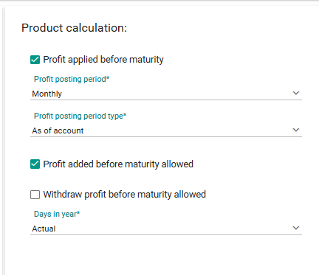
SL No. |  | Product Calculation |  |  |  |  |  |  |  |  | Premature Config
1

 |  |  |  |  |  |  |  |  |  |  | Slab Applicable: | off

Calculation:
Slab Product Code | Slab Tenor | Savings Slab | From Date | To Date | Product | No. Of Days | Balance | Excise Duty | Premature Profit Rate | Premature Profit | Tax
351 | 12 | N | 2026-11-04 | 2026-11-30 | 13000 | 0 |  |  | 110.6231 | 39.4 | 5.91
351 | 12 | N | 2026-12-01 | 2026-12-31 | 26500 | 0 |  |  | -0.05509 | -0.04 | -0.01
351 | 12 | N | 2027-01-01 | 2027-01-03 | 3000 | 0 |  |  | -0.12167 | -0.01 | 0
 |  |  |  |  |  |  |  | Premature profit: |  | 39.35
 |  |  |  |  |  |  |  | Tax deductable: |  |  | 5.9
 |  |  |  |  |  |  |  | Net premature profit payable |  |  |  | 33.45

reference screenshot: | Premature report data

Report Link: |  | https://docs.google.com/spreadsheets/d/1Fe-ts26k6Zqa5rdh9gO19Q-1rVKuOdJL/edit?gid=210726236#gid=210726236

Reference screenshot: | Transaction Net payable Calculation

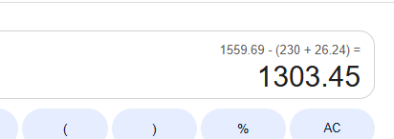

Reference screenshot: | Database check

SL No. |  | Product Calculation |  |  |  |  |  |  |  |  | Premature Config

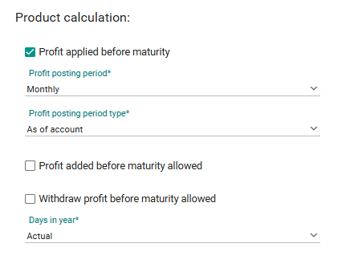
2

 |  |  |  |  |  |  |  |  |  |  | Slab Applicable: | off

Calculation:
Slab Product Code | Slab Tenor | Savings Slab | From Date | To Date | Product | No. Of Days | Balance | Excise Duty | Premature Profit Rate | Premature Profit | Tax
351 | 12 | N | 2026-04-11 | 30-11-2026 | 13,000.00 | 0 |  |  | 110.6231 | 39.4 | 5.91
351 | 12 | N | 2026-01-12 | 31-12-2026 | 26,500.00 | 0 |  |  | -0.0551 | -0.04 | -0.01
351 | 12 | N | 2027-01-01 | 2027-03-01 | 3,000.00 | 0 |  |  | -0.1217 | -0.01 | 0
 |  |  |  |  |  |  |  | Premature profit: |  | 39.35
 |  |  |  |  |  |  |  | Tax deductable: |  |  | 5.9
 |  |  |  |  |  |  |  | Net premature profit payable |  |  |  | 33.45

Reference screenshot: | Premature report data

Report Link: | https://docs.google.com/spreadsheets/d/1TFuLX4Nowm4l7wHd99fuKJPERocSm5fv/edit?gid=1209556142#gid=1209556142

Reference screenshot: | Transaction Net payable Calculation

Reference screenshot: | Database check


SL No. |  | Product Calculation |  |  |  |  |  |  |  |  | Premature Config
3

 |  |  |  |  |  |  |  |  |  | Slab Applicable: | off

Calculation:
Slab Product Code | Slab Tenor | Savings Slab | From Date | To Date | Product | No. Of Days | Balance | Excise Duty | Premature Profit Rate | Premature Profit | Tax
351 | 12 | N | 2026-04-11 | 30-11-2026 | 13,000.00 | 0 |  |  | 72.7477 | 26.27 | 3.94
351 | 12 | N | 2026-01-12 | 31-12-2026 | 26,500.00 | 0 |  |  | -0.0408 | -0.03 | 0
351 | 12 | N | 2027-01-01 | 2027-03-01 | 3,000.00 | 0 |  |  | 0 | 0 | 0
 |  |  |  |  |  |  |  | Premature profit: |  | 26.24
 |  |  |  |  |  |  |  | Tax deductable: |  |  | 3.94
 |  |  |  |  |  |  |  | Net premature profit payable: |  |  |  | 22.3

reference screenshot: | Premature report data

Report Link: |  | https://docs.google.com/spreadsheets/d/18knJzYXA0Fo-XXuSRE6ihVYCAXCF1ZCa/edit?gid=257908849#gid=257908849

Reference screenshot: | Transaction Net payable Calculation

Reference screenshot: | Database check

SL No. |  | Product Calculation |  |  |  |  |  |  |  |  | Premature Config
4


 |  |  |  |  |  |  |  |  |  |  | Slab Applicable: | off

Calculation:
Slab Product Code | Slab Tenor | Savings Slab | From Date | To Date | Product | No. Of Days | Balance | Excise Duty | Premature Profit Rate | Premature Profit | Tax
351 | 12 | N | 2026-04-11 | 30-11-2026 | 13,000.00 | 0 |  |  | 73.7581 | 26.27 | 3.94
351 | 12 | N | 2026-01-12 | 31-12-2026 | 26,500.00 | 0 |  |  | -0.0413 | -0.03 | 0
351 | 12 | N | 2027-01-01 | 2027-03-01 | 3,000.00 | 0 |  |  | 0 | 0 | 0
 |  |  |  |  |  |  |  | Premature profit: |  | 26.24
 |  |  |  |  |  |  |  | Tax deductable: |  |  | 3.94
 |  |  |  |  |  |  |  | Net premature profit payable: |  |  |  | 22.3

Report link: | https://docs.google.com/spreadsheets/d/1bDUssA7zO7ijsrns9K9U4YRP5LBs1cRn/edit?gid=1121391194#gid=1121391194

reference screenshot: | Premature report data

Reference screenshot: | Transaction Net payable Calculation



Reference screenshot: | Database check


SL No. |  | Product Calculation |  |  |  |  |  |  |  |  | Premature Config
5

 |  |  |  |  |  |  |  |  |  |  | Slab Applicable: | off

Calculation:
Slab Product Code | Slab Tenor | Savings Slab | From Date | To Date | Product | No. Of Days | Balance | Excise Duty | Premature Profit Rate | Premature Profit | Tax
351 | 12 | N | 2026-04-11 | 30-11-2026 | 13,000.00 | 0 |  |  | 72.7477 | 26.27 | 3.94
351 | 12 | N | 2026-01-12 | 31-12-2026 | 26,500.00 | 0 |  |  | -0.0408 | -0.03 | 0
351 | 12 | N | 2027-01-01 | 2027-03-01 | 3,000.00 | 0 |  |  | 0 | 0 | 0
 |  |  |  |  |  |  |  | Premature profit: |  | 26.24
 |  |  |  |  |  |  |  | Tax deductable: |  |  | 3.94
 |  |  |  |  |  |  |  | Net premature profit payable: |  |  |  | 22.3

reference screenshot: | Premature report data

Report link: | https://docs.google.com/spreadsheets/d/17Wp2Mwkla78MRvqfhlQB0IILqfPgKVi2/edit?gid=887392642#gid=887392642

Reference screenshot: | Transaction Net payable Calculation



Reference screenshot: | Database check


SL No. |  | Product Calculation |  |  |  |  |  |  |  |  | Premature Config
6

 |  |  |  |  |  |  |  |  |  |  | Slab Applicable: | off

Calculation:
Slab Product Code | Slab Tenor | Savings Slab | From Date | To Date | Product | No. Of Days | Balance | Excise Duty | Premature Profit Rate | Premature Profit | Tax
351 | 12 | N | 2026-04-11 | 30-11-2026 | 13,000.00 | 0 |  |  | 73.7581 | 26.27 | 3.94
351 | 12 | N | 2026-01-12 | 31-12-2026 | 26,500.00 | 0 |  |  | -0.0413 | -0.03 | 0
351 | 12 | N | 2027-01-01 | 2027-03-01 | 3,000.00 | 0 |  |  | 0 | 0 | 0
 |  |  |  |  |  |  |  | Premature profit: |  | 26.24
 |  |  |  |  |  |  |  | Tax deductable: |  |  | 3.94
 |  |  |  |  |  |  |  | Net premature profit payable: |  |  |  | 22.3

Report link: |  | https://docs.google.com/spreadsheets/d/1EGrcpNhoQ3vLayB61Rwmm_afUAar-YWP/edit?gid=1977699006#gid=1977699006

reference screenshot: | Premature report data

Reference screenshot: | Transaction Net payable Calculation

Reference screenshot: | Database check

SL No. |  | Product Calculation |  |  |  |  |  |  |  |  | Premature Config
1


 |  |  |  |  |  |  |  |  |  |  | Slab Applicable: | ON
 |  |  |  |  |  |  |  |  |  |  | Forfeiture type: | Tenure slab

Calculation:
Slab Product Code | Slab Tenor | Savings Slab | From Date | To Date | Product | No. Of Days | Balance | Excise Duty | Premature Profit Rate | Premature Profit | Tax
351 | 12 | N | 2026-04-11 | 30-11-2026 | 13,000.00 | 0 |  |  | 73.7581 | 26.27 | 3.94
351 | 12 | N | 2026-01-12 | 31-12-2026 | 26,500.00 | 0 |  |  | -0.0413 | -0.03 | 0
351 | 12 | N | 2027-01-01 | 2027-03-01 | 3,000.00 | 0 |  |  | 0 | 0 | 0
 |  |  |  |  |  |  |  | Premature profit: |  | 26.24
 |  |  |  |  |  |  |  | Tax deductable: |  |  | 3.94
 |  |  |  |  |  |  |  | Net premature profit payable: |  |  |  | 22.3

reference screenshot: | Premature report data

Report link: |  | https://docs.google.com/spreadsheets/d/1znMVbp2jwTa6D95LzW7aSz3Gi4o5PMeK/edit?gid=1542405312#gid=1542405312

Reference screenshot: | Transaction Net payable Calculation

Reference screenshot: | Database check

SL No. |  | Product Calculation |  |  |  |  |  |  |  |  | Premature Config
2


 |  |  |  |  |  |  |  |  |  |  | Slab Applicable: | ON
 |  |  |  |  |  |  |  |  |  |  | Forfeiture type: | Tenure slab

Calculation:
Slab Product Code | Slab Tenor | Savings Slab | From Date | To Date | Product | No. Of Days | Balance | Excise Duty | Premature Profit Rate | Premature Profit | Tax
351 | 12 | N | 2026-04-11 | 30-11-2026 | 13,000.00 | 0 |  |  | 100.0246 | 36.12 | 5.42
351 | 12 | N | 2026-01-12 | 31-12-2026 | 26,500.00 | 0 |  |  | -0.0543 | -0.04 | -0.01
351 | 12 | N | 2027-01-01 | 2027-03-01 | 3,000.00 | 0 |  |  | -0.12 | -0.01 | 0
 |  |  |  |  |  |  |  | Premature profit: |  | 36.07
 |  |  |  |  |  |  |  | Tax deductable: |  |  | 5.41
 |  |  |  |  |  |  |  | Net premature profit payable: |  |  |  | 30.66

reference screenshot: | Premature report data

Report link: |  | https://docs.google.com/spreadsheets/d/1CO5D59DHW6S3qTLHldUT1IHY22NBY_t_/edit?gid=608211135#gid=608211135

Reference screenshot: | Transaction Net payable Calculation



Reference screenshot: | Database check

SL No. |  | Product Calculation |  |  |  |  |  |  |  |  | Premature Config


1

 |  |  |  |  |  |  |  |  |  | Slab Applicable: | ON
 |  |  |  |  |  |  |  |  |  | Forfeiture type: | Tenure Completion %

Calculation:
Slab Product Code | Slab Tenor | Savings Slab | From Date | To Date | Product | No. Of Days | Balance | Excise Duty | Premature Profit Rate | Premature Profit | Tax
351 | 12 | N | 2026-04-11 | 30-11-2026 | 13,000.00 | 0 |  |  | 181.8554 | 65.67 | 9.85
351 | 12 | N | 2026-01-12 | 31-12-2026 | 26,500.00 | 0 |  |  | -0.0951 | -0.07 | -0.01
351 | 12 | N | 2027-01-01 | 2027-03-01 | 3,000.00 | 0 |  |  | -0.12 | -0.01 | 0
 |  |  |  |  |  |  |  | Premature profit: |  | 65.59
 |  |  |  |  |  |  |  | Tax deductable: |  |  | 9.84
 |  |  |  |  |  |  |  | Net premature profit payable: |  |  |  | 55.75

reference screenshot: | Premature report data

Report link: |  | https://docs.google.com/spreadsheets/d/11wkR1ImXQ4aZgUIhwpc5vuY-QX_2lL21/edit?gid=1128967827#gid=1128967827

Reference screenshot: | Transaction Net payable Calculation

Reference screenshot: | Database check

SL No. |  | Product Calculation |  |  |  |  |  |  |  |  | Premature Config
2


 |  |  |  |  |  |  |  |  |  | Slab Applicable: | ON
 |  |  |  |  |  |  |  |  |  | Forfeiture type: | Tenure Completion %

Calculation:
Slab Product Code | Slab Tenor | Savings Slab | From Date | To Date | Product | No. Of Days | Balance | Excise Duty | Premature Profit Rate | Premature Profit | Tax
351 | 12 | N | 2026-04-11 | 30-11-2026 | 13,000.00 | 0 |  |  | 184.3812 | 65.67 | 9.85
351 | 12 | N | 2026-01-12 | 31-12-2026 | 26,500.00 | 0 |  |  | -0.0964 | -0.07 | -0.01
351 | 12 | N | 2027-01-01 | 2027-03-01 | 3,000.00 | 0 |  |  | -0.1217 | -0.01 | 0
 |  |  |  |  |  |  |  | Premature profit: |  | 65.59
 |  |  |  |  |  |  |  | Tax deductable: |  |  | 9.84
 |  |  |  |  |  |  |  | Net premature profit payable: |  |  |  | 55.75

Reference screenshot: | Premature report data

Report link: |  | https://docs.google.com/spreadsheets/d/11Xd3UaUp2ntzJu3UGiuxAuT0Ju2Y_fvh/edit?gid=431174384#gid=431174384

Reference screenshot: | Transaction Net payable Calculation

Reference screenshot: | Database check

